N-nitrosamines
Official address Domenico Scarlattilaan 6 ● 1083 HS Amsterdam ● The Netherlands
Address for visits and deliveries Refer to www.ema.europa.eu/how-to-find-us
Send us a question Go to www.ema.europa.eu/contact Telephone +31 (0)88 781 6000
An agency of the European Union

2026-06-01
EMA/42261/2025/Rev. 13
Non-clincal Working Party (NcWP)

Acceptable intakes (AIs) established for N-nitrosamines
Appendix 1 to Questions and answers for marketing authorisation holders/applicants on the CHMP Opinion for
the Article 5(3) of Regulation (EC) No 726/2004 referral on nitrosamine impurities in human medicinal products

The below acceptable intake levels (AIs) have been established by the Non-clinical Working Party (NcWP) and, where applicable, determined using the Carcinogenic Potency Categorization Approach (CPCA).
These limits are applicable only if a FP contains a single N-nitrosamine.
The source refers to potential presence of nitrosamine impurities with structures derived from active substances or their related impurities. This does not mean that the impurity will be found in all products or pharmaceutical forms containing the named API. Please refer to Q&A on the risk factors for the presence of nitrosamines for further details.
The below acceptable intake levels (AIs) have been established by the Non-clinical Working Party (NcWP) and, where applicable, determined using the Carcinogenic Potency Categorization Approach (CPCA).
These limits are applicable only if a FP contains a single N-nitrosamine.
The source refers to potential presence of nitrosamine impurities with structures derived from active substances or their related impurities. This does not mean that the impurity will be found in all products or pharmaceutical forms containing the named API. Please refer to Q&A on the risk factors for the presence of nitrosamines for further details.

Structure | Name | IUPAC name | SMILES | CAS RN | Synonym/ Acronym | Source | CPCA Category | AI (ng/day) | Note | Publication date
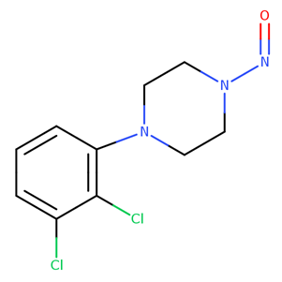 | 1-(2,3-dichlorophenyl)-4-nitrosopiperazine | 1-(2,3-dichlorophenyl)-4-nitrosopiperazine | C1=CC=C(C(=C1N2CCN(CC2)N=O)Cl)Cl | 2989508-28-1 |  | Aripiprazole | 3 | 400 |  | 15 January 2024
 | 1-cyclopropylmethyl-4-nitrosopiperazine | 1-(cyclopropylmethyl)-4-nitrosopiperazine | O=NN1CCN(CC1)CC1CC1 | 57184-25-5 |  | Mitapivat | 3 | 400 |  | 2023-07-01
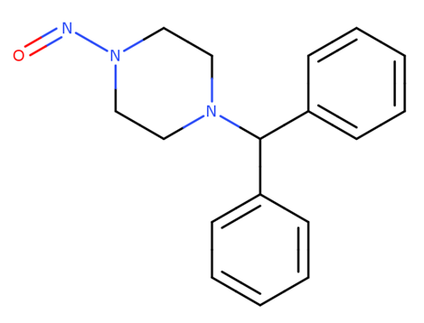 | 1-diphenylmethyl-4-nitrosopiperazine | 1-benzhydryl-4-nitrosopiperazine | C1CN(CCN1C(C2=CC=CC=C2)C3=CC=CC=C3)N=O | 1698-25-5 |  | Cinnarizine | 3 | 400 |  | 2024-07-01
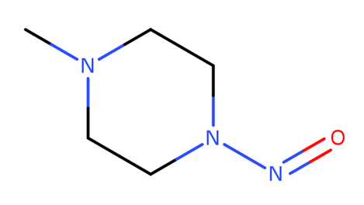 | 1-methyl-4-nitrosopiperazine | 1-methyl-4-nitrosopiperazine | CN1CCN(CC1)N=O | 16339-07-4 | MeNP | Rifampicin | 3 | 400 |  | 2023-07-01
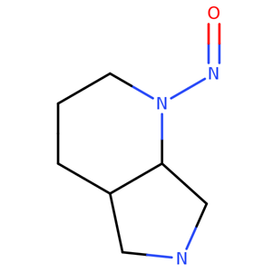 | 1-nitroso-pyrrolopiperidine | (4aS,7aS)-1-Nitrosooctahydro-1H-pyrrolo[3,4-b]pyridine | C12N(CCCC1CNC2)N=O | NA |  | Moxifloxacin | 4 | 1500 |  | 2023-07-01
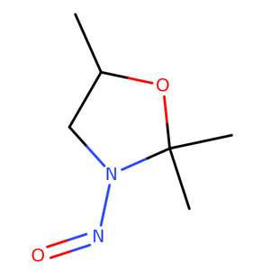 | 2,2,5-trimethyl-3-nitroso-1,3-oxazolidine | 2,2,5-trimethyl-3-nitroso-1,3-oxazolidine | C1(OC(CN1N=O)C)(C)C | 77400-46-5 | TMNO | Cyanocobalamine | 4 | 1500 |  | 2024-02-15
 | 2-(4-nitrosopiperazin-1-yl)ethanol | 2-(4-nitrosopiperazin-1-yl)ethanol | C1N(CCN(C1)N=O)CCO | 48121-20-6 |  | Opipramol | 3 | 400 |  | 2024-05-01
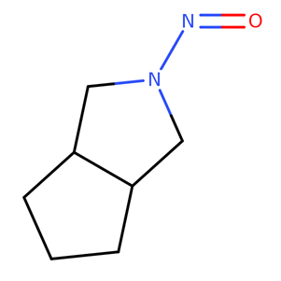 | 2-nitroso-octahydrocyclopenta(c)pyrrole | 2-nitroso-3,3a,4,5,6,6a-hexahydro-1H-cyclopenta[c]pyrrole | C1CC2CN(CC2C1)N=O | 54786-86-6 |  | Gliclazide |  | 1700 | Limit derived using structure-activity-relationship (SAR)/read-across approach using the TD50 of NPYR as point of departure. | 2023-07-01
 | 2-(N-nitrosomethylamino)-N-[6-(trifluoromethoxy)-1,3-benzothiazol-2-yl]acetamide | 2-(N-nitrosomethylamino)-N-[6-(trifluoromethoxy)-1,3-benzothiazol-2-yl]acetamide | C1=CC(=CC2=C1N=C(S2)NC(CN(N=O)C)=O)OC(F)(F)F | NA | NNT | Troriluzole | 2 | 100 |  | 2025-02-01
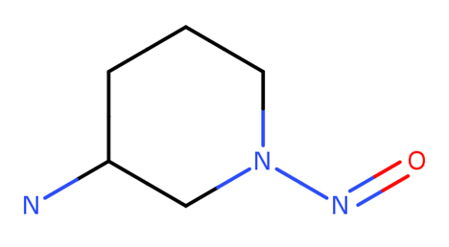 | 3-amino-N-nitrosopiperidine | 1-nitrosopiperidin-3-amine | C1CC(CN(C1)N=O)N | 2819242-71-0 |  | Alogliptin | 3 | 400 |  | 2023-10-01
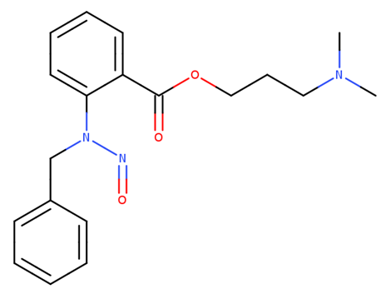 | 3-(dimethylamino)propyl 2-[benzyl(nitroso)amino]benzoate | 3-(dimethylamino)propyl 2-[benzyl(nitroso)amino]benzoate | CN(C)CCCOC(=O)C1=CC=CC=C1NCC2=CC=CC=C2 |  | 3DPN | Benzydamine |  | 1500 | Limit based on negative bacterial reverse mutation test | 2024-07-01
 | 3-((ethyl(nitroso)amino)methyl) benzenesulfonate | 3-[(N-ethylanilino) methyl]benzenesulfonate | O=NN(CC1=CC(=CC=C1)S(=O)(=O)[O-])CC | NA | N-M8 | Brilliant blue FCF | 1 | 18 |  | 2024-05-01
 | 4-(methylnitrosoamino)-1-(3-pyridyl)-1-butanone | N-methyl-N-(4-oxo-4-pyridin-3-ylbutyl)nitrous amide | CN(CCCC(=O)C1=CN=CC=C1)N=O | 64091-91-4 | NNK |  |  | 100 | Limit based on the most sensitive TD50 derived from the most robust TD50 dataset from carcinogenic potency database (CPDB) or Lhasa Carcinogenicity Database (LCD). | 2023-07-01
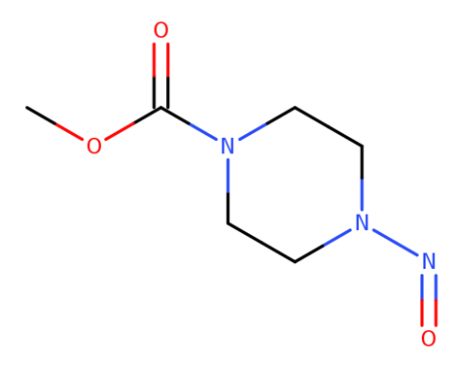 | 4-nitroso-methyl piperazine-1-carboxylate | 4-nitroso-methyl piperazine-1-carboxylate | N1(CCN(CC1)C(=O)OC)N=O | NA | N-nitroso-PMEC | Omecamtiv mecarbil | 3 | 400 |  | 2024-05-01
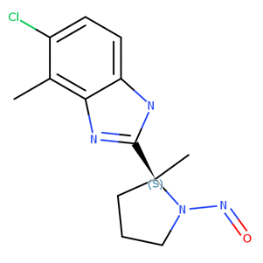 | 5-chloro-4-methyl-2-[(2S)-2-methyl-1-nitrosopyrrolidin-2-yl]-1H-benzimidazole | 5-chloro-4-methyl-2-[(2S)-2-methyl-1-nitrosopyrrolidin-2-yl]-1H-benzimidazole | N1([C@@](CCC1)(C=2NC=3C(N=2)=C(C(=CC=3)Cl)C)C)N=O | NA | IDOR-1135-8758 | Daridorexant | 5 | 1500 |  | 2023-11-15
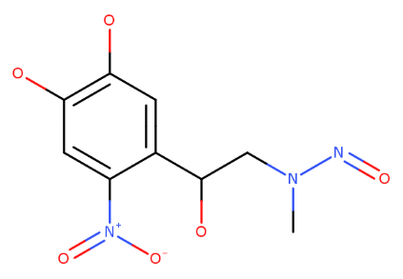 | 6-nitro-N-nitrosoadrenaline | N-[2-(4,5-dihydroxy-2-nitrophenyl)-2-hydroxyethyl]-N-methylnitrous amide | CN(CC(C1=CC(=C(C=C1[N+](=O)[O-])O)O)O)N=O | NA |  | Adrenaline | 2 | 100 |  | 2026-03-01
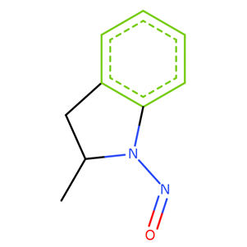 | Indapamide Impurity A | 2-methyl-1-nitroso-2,3-dihydroindole | CC2CC1=CC=CC=C1N2N=O | 85440-79-5 |  | Indapamide | 5 | 1500 |  | 2023-11-15
 | N-(2-hydroxy-2-phenylethyl)-N-(4-nitrophenethyl)nitrous amide | (R)-N-(2-hydroxy-2-phenylethyl)-N-(4-nitrophenethyl)nitrous amide | C1=CC=C(C=C1)[C@H](CN(CCC2=CC=C(C=C2)[N+]([O-])=O)N=O)O | NA | MBL-2-NO | Mirabegron | 3 | 400 |  | 2024-05-01
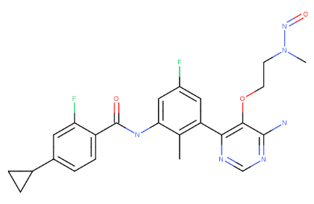 | N-nitroso-N-des(prop-2-enoyl)-remibrutinib | N-(3-(6-Amino-5-(2-(methyl(nitroso)amino)ethoxy)pyrimidin-4-yl)-5-fluoro-2-methylphenyl)-4-cyclopropyl-2-fluorobenzamide | CN(CCOC1=C(C2=C(C)C(NC(C3=CC=C(C4CC4)C=C3F)=O)=CC(F)=C2)N=CN=C1N)N=O | NA | LOU064-F8-NO | Remibrutinib |  | 100 | Limit derived using structure-activity-relationship, physicochemical features and weight of evidence approach using the TD50 of NNK as point of departure | 01 June 2026 (new)
 | N-(4-aminophenethyl)-N-(2-hydroxy-2-phenylethyl)nitrous amide | (R)-N-(4-aminophenethyl)-N-(2-hydroxy-2-phenylethyl)nitrous amide | C1=CC=C(C=C1)[C@H](CN(CCC2=CC=C(C=C2)N)N=O)O | NA | MBL-3-NO | Mirabegron | 3 | 400 |  | 2024-05-01
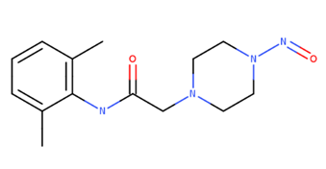 | Nitroso impurity C'' [N-(2,6-dimethylphenyl)-2-(4-nitrosopiperazin-1-yl)acetamide] | N-(2,6-dimethylphenyl)-2-(4-nitrosopiperazin-1-yl)acetamide | C1=CC=C(C(=C1C)NC(CN2CCN(CC2)N=O)=O)C | NA |  | Ranolazine | 3 | 400 |  | 2023-07-01
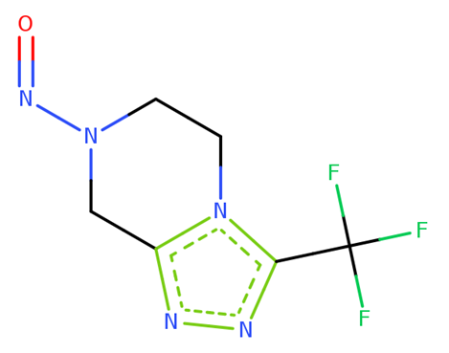 | Nitroso-STG-19 | 7-nitroso-3-(trifluoromethyl)-6,8-dihydro-5H-[1,2,4]triazolo[4,3-a]pyrazine | C1CN2C(=NN=C2C(F)(F)F)CN1N=O | 2892260-32-9 | NTTP | Sitagliptin | 2 | 100 | CPCA derived AI as substance tested positive in in vivo mutagenicity study | 2022-05-01
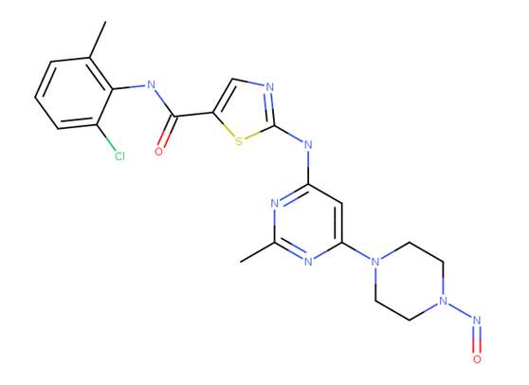 | N-deshydroxyethyl-N-nitroso dasatinib | N-(2-chloro-6-methylphenyl)-2-((2-methyl-6-(4-nitrosopiperazin-1-yl)pyrimidin-4-yl)amino)thiazole-5-carboxamide | O=C(NC1=C(C=CC=C1Cl)C)C2=CN=C(S2)NC4=NC(C)=NC(N3CCN(N=O)CC3)=C4 | NA |  | Dasatinib | 3 | 400 |  | 2025-02-01
 | N,N'-dimethylethylenedinitrosamine | N-methyl-N-[2-[methyl(nitroso)amino]ethyl]nitrous amide | CN(CCN(C)N=O)N=O | 13256-12-7 | NDMEA, NNDMA |  | 1 | 18 |  | 2026-03-01
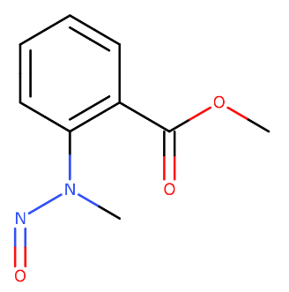 | N-methyl-N-nitrosoanthranilate | methyl 2-(methyl(nitroso)amino)benzoate | O=C(OC)C1=CC=CC=C1N(C)N=O | NA | NO-MMA | Methyl N-methylanthranilate | 2 | 100 |  | 2025-12-01
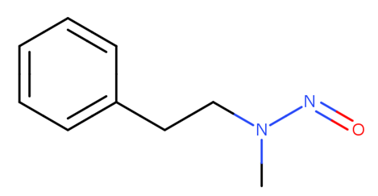 | N-methyl-N-nitrosophenethylamine | N-methyl-N-(2-phenylethyl)nitrous amide | CN(CCC1=CC=CC=C1)N=O | 13256-11-6 | NMPEA |  |  | 8 | Limit based on the most sensitive TD50 derived from the most robust TD50 dataset from carcinogenic potency database (CPDB) or Lhasa Carcinogenicity Database (LCD). Low molecular weight nitrosamines with sufficiently robust toxicological data to serve as points of departure for derivation of other AIs by SAR and read-across. Not all of these impurities have been found in medicines. Others have been found in 1 or more medicines, not necessarily related to the structure of the active substance or its related impurities. | 2022-05-01
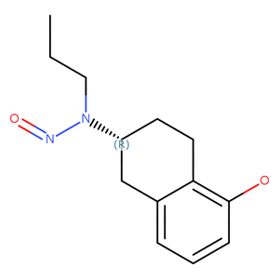 | N-nitroso derivative of rotigotine impurity B | N-[(2R)-5-hydroxy-1,2,3,4-tetrahydronaphthalen-2-yl]-N-propylnitrous amide | C1=CC(=C2C(=C1)C[C@@H](CC2)N(CCC)N=O)O | NA |  | Rotigotine | 3 | 400 |  | 2023-10-01
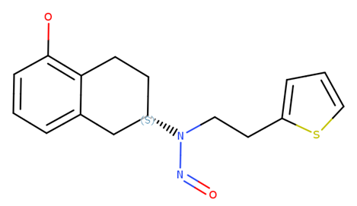 | N-nitroso derivative of rotigotine impurity C | N-[(2S)-5-hydroxy-1,2,3,4-tetrahydronaphthalen-2-yl]-N-(2-thiophen-2-ylethyl)nitrous amide | C1CC=3C(C[C@H]1N(CCC=2SC=CC=2)N=O)=CC=CC=3O | NA |  | Rotigotine | 4 | 1500 |  | 2023-10-01
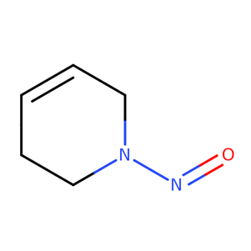 | N-nitroso-1,2,3,6-tetrahydropyridine | 1-nitroso-3,6-dihydro-2H-pyridine | C1CN(CC=C1)N=O | 55556-92-8 | NTHP |  |  | 37 | Limit based on the most sensitive TD50 derived from the most robust TD50 dataset from carcinogenic potency database (CPDB) or Lhasa Carcinogenicity Database (LCD). Low molecular weight nitrosamines with sufficiently robust toxicological data to serve as points of departure for derivation of other AIs by SAR and read-across. Not all of these impurities have been found in medicines. Others have been found in 1 or more medicines, not necessarily related to the structure of the active substance or its related impurities. | 2022-05-01
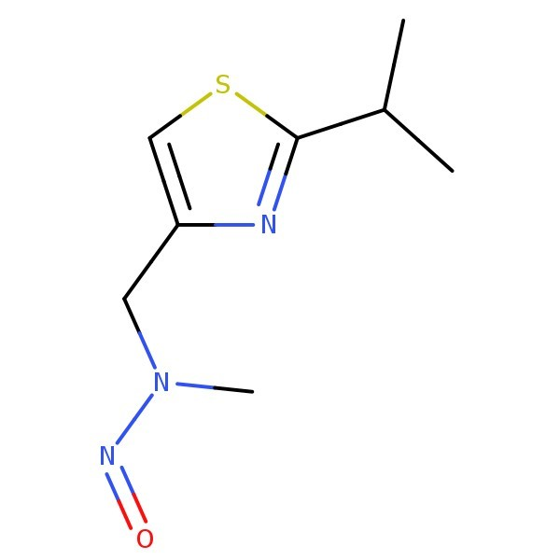 | N-nitroso-2,4-thiazole amine | N-((2-isopropylthiazol-4-yl)methyl)-N-methylnitrous amide | S1C=C(N=C1C(C)C)CN(N=O)C | NA | NNTA | Ritonavir/ Cobicistat | 1 | 18 | CPCA derived AI as substance tested positive in in vivo mutagenicity study | 2024-09-01
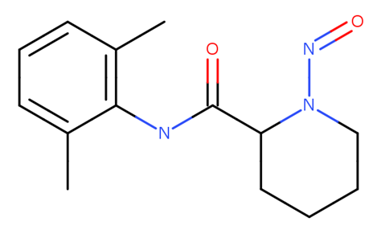 | N-nitroso-2,6-pipecoloxilidide | N-(2,6-dimethylphenyl)-1-nitrosopiperidine-2-carboxamide | C1=CC=C(C(=C1C)NC(C2CCCCN2N=O)=O)C | NA |  | Ropivacaine | 4 | 1500 |  | 2023-07-01
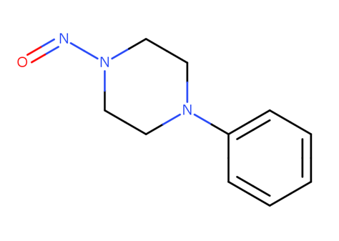 | N-nitroso-4-phenylpiperazine | 1-nitroso-4-phenylpiperazine | C1CN(CCN1C2=CC=CC=C2)N=O | 14340-33-1 |  | Levodropropizine | 3 | 400 |  | 2025-12-01
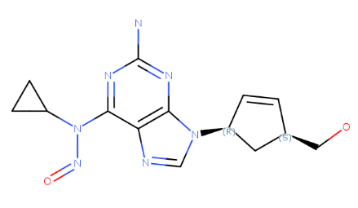 | N-nitroso-abacavir | N-[2-amino-9-[(1R,4S)-4-(hydroxymethyl)cyclopent-2-en-1-yl]purin-6-yl]-N-cyclopropylnitrous amide | C1CC1N(C2=NC(=NC3=C2N=CN3[C@@H]/4C[C@@H](\C=C/4)CO)N)N=O | NA |  | Abacavir | 5 | 1500 |  | 01 June 2026 (new)
 | N-nitroso-acarbose | N-nitroso-4,6-dideoxy-4-[(1S,2S,3R,4S,5S)-3,4,5-trihydroxy-2-(hydroxymethyl)cyclohexyl]-α-D-glucopyranosyl-(1→4)-α-D-glucopyranosyl-(1→4)-α-D-glucopyranosyl-(1→4)-D-glucopyranose | C[C@H]1O[C@@H]([C@@H]([C@H]([C@@H]1N(N=O)[C@@H]/2[C@@H]([C@H]([C@@H](\C(CO)=C/2)O)O)O)O)O)O[C@H]3[C@@H]([C@H]([C@H](O[C@@H]3CO)O[C@H]4[C@@H]([C@H](C(OC4CO)O)O)O)O)O | NA |  | Acarbose | 5 | 1500 |  | 2025-05-15
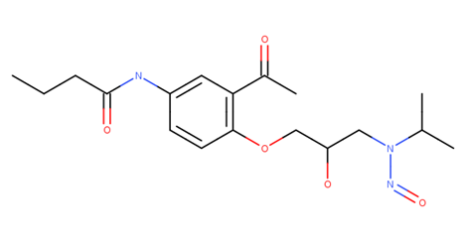 | N-nitroso-acebutolol | N-(3-acetyl-4-(2-hydroxy-3-(isopropyl(nitroso)amino)propoxy)phenyl)butyramide | C1=C(C=CC(=C1C(C)=O)OCC(CN(C(C)C)N=O)O[H])N(C(CCC)=O)[H] | NA |  | Acebutolol | 4 | 1500 |  | 2024-09-01
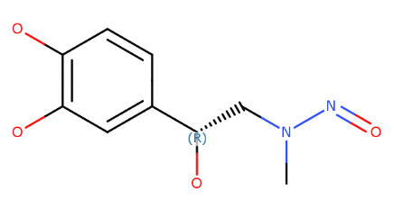 | N-nitroso-adrenaline | N-[(2R)-2-(3,4-dihydroxyphenyl)-2-hydroxyethyl]-N-methylnitrous amide | CN(C[C@@H](C1=CC(=C(C=C1)O)O)O)N=O | 3006789-99-4 | N-nitroso-epinephrine | Adrenaline | 2 | 100 |  | 2026-03-01
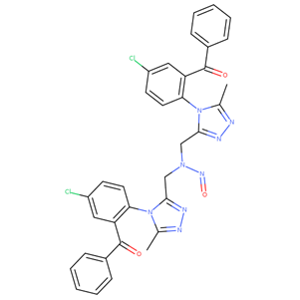 | N-nitroso-alprazolam EP Impurity H | N,N-bis((4-(2-benzoyl-4-chlorophenyl)-5-methyl-4H-1,2,4-triazol-3-yl)methyl)nitrous amide | CC=1N(C(=NN=1)CN(CC=4N(C3=C(C(=O)C=2C=CC=CC=2)C=C(Cl)C=C3)C(=NN=4)C)N=O)C6=C(C(=O)C=5C=CC=CC=5)C=C(Cl)C=C6 | NA |  | Alprazolam |  | 1500 | Limit based on negative bacterial reverse mutation test | 01 June 2026 (new)
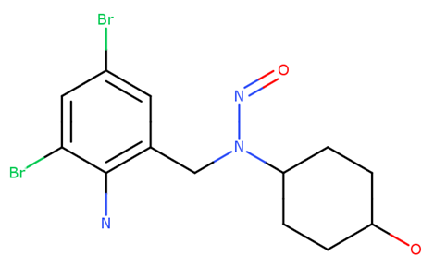 | N-nitroso-ambroxol | N-[(2-amino-3,5-dibromophenyl)methyl]-N-[4-hydroxycyclohexyl]nitrous amide | C1CC(CCC1N(CC2=C(C(=CC(=C2)Br)Br)N)N=O)O | NA |  | Ambroxol |  | 1500 | Limit based on negative bacterial reverse mutation test | 2023-07-01
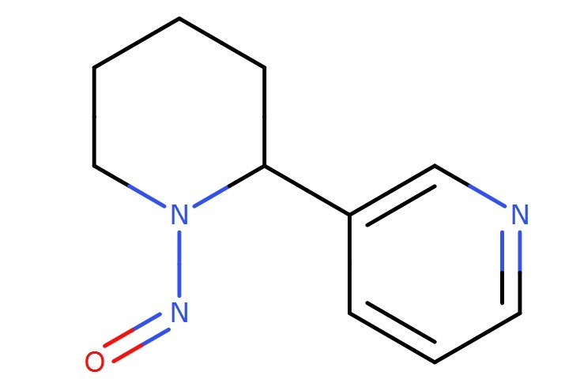 | N-nitroso-anabasine | 3-(1-nitrosopiperidin-2-yl)pyridine | C1CCN(C(C1)C2=CN=CC=C2)N=O | 37620-20-5 | NAB | Nicotine | 4 | 1500 |  | 2024-12-01
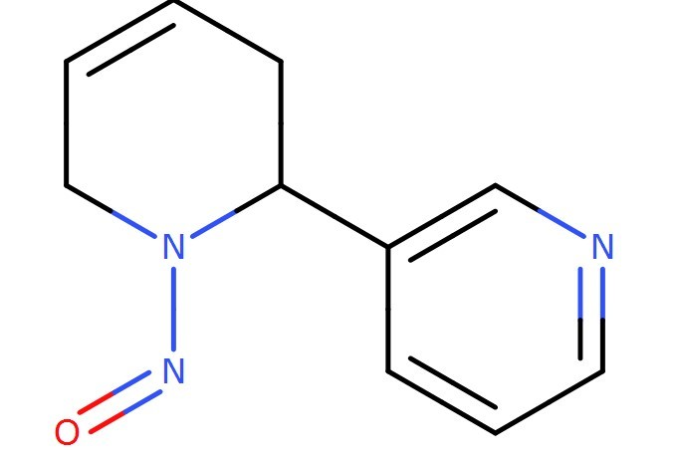 | N-nitroso-anatabine | 3-[(2S)-1-nitroso-3,6-dihydro-2H-pyridin-2-yl]pyridine | C1C=CCN([C@@H]1C2=CN=CC=C2)N=O | 71267-22-6 | NAT | Nicotine | 4 | 1500 |  | 2024-12-01
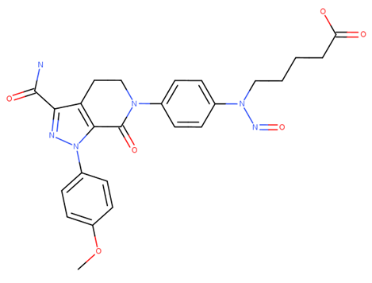 | N-nitroso-apixaban impurity B | 5-[4-[3-carbamoyl-1-(4-methoxyphenyl)-7-oxo-4,5-dihydropyrazolo[3,4-c]pyridin-6-yl]-N-nitrosoanilino]pentanoic acid | COC1=CC=C(C=C1)N2C3=C(CCN(C3=O)C4=CC=C(C=C4)N(CCCCC(=O)O)N=O)C(=N2)C(=O)N | NA |  | Apixaban | 4 | 1500 |  | 2024-02-15
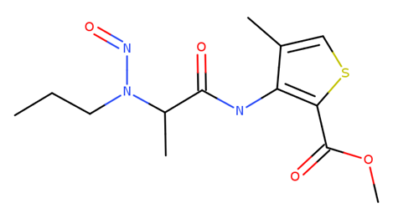 | N-nitroso-articaine | methyl 4-methyl-3-(2-(nitroso(propyl)amino)propanamido)thiophene-2-carboxylate | CCCN(C(C)C(=O)NC1=C(SC=C1C)C(=O)OC)N=O | NA |  | Articaine | 4 | 1500 |  | 2024-05-01
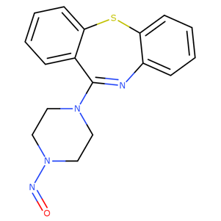 | N-nitroso-aryl piperazine | 11-(4-Nitrosopiperazin-1-yl)dibenzo[b,f][1,4]thiazepine | C1CN(CCN1N=O)C/3=N\C2=CC=CC=C2SC4=CC=CC=C/34 | NA | N-nitroso-desalkyl-quetiapine/ NDAQ | Quetiapine | 3 | 400 |  | 2023-07-01
 | N-nitroso-atenolol | 2-[4-[2-hydroxy-3-[nitroso(propan-2-yl)amino]propoxy]phenyl]acetamide | CC(C)N(CC(COC1=CC=C(C=C1)CC(=O)N)O)N=O | 134720-04-0 |  | Atenolol | 4 | 1500 | CPCA derived AI as substance tested positive in in vivo mutagenicity study | 2023-07-01
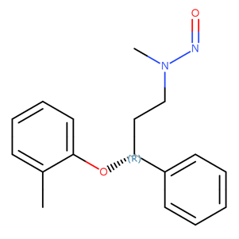 | N-nitroso-atomoxetine | N-methyl-N-[(3R)-3-(2-methylphenoxy)-3-phenylpropyl]nitrous amide | CC1=CC=CC=C1O[C@@H](C2=CC=CC=C2)CCN(N=O)C | NA |  | Atomoxetine |  | 100 | Limit derived using structure-activity-relationship (SAR)/read-across approach using the TD50 of NNK as point of departure as substance tested positive in in vivo mutagenicity study | 2023-07-01
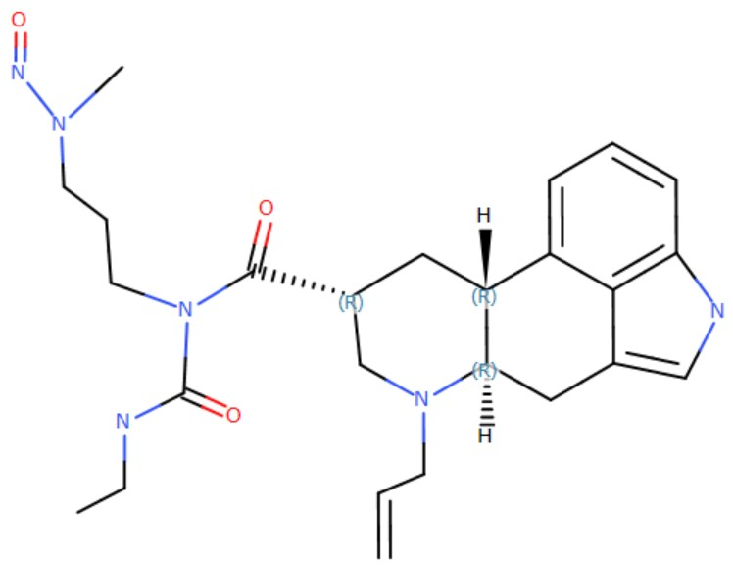 | N-nitroso-azacyclonol | N-nitroso-diphenyl(piperidin-4-yl)methanol | OC(C1=CC=CC=C1)(C2CCN(N=O)CC2)C3=CC=CC=C3 | 1038-06-8 |  | Azacyclonol | 3 | 400 |  | 2024-01-15
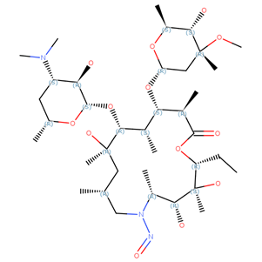 | N-nitroso-azaerythromycin | (2R, 3S, 4R, 5R, 8R, 10R, 11R, 12S, 13S, 14R)-11-(((2S, 3R, 4S, 6R)-4-(dimethylamino)-3-hydroxy-6-methyltetrahydro-2H-pyran-2-yl)oxy)-2-ethyl-3, 4, 10-trihydroxy-13-(((2R, 4R, 5S, 6S)-5-hydroxy-4-methoxy-4, 6-dimethyltetrahydro-2H-pyran-2-yl)oxy)-3, 5, 8, 10, 12, 14-hexamethyl-6-nitroso-1-oxa-6-azacyclopentadecan-15-one | O=NN1C[C@H](C)C[C@@](C)(O)[C@H](O[C@@H]2O[C@H](C)C[C@@H]([C@H]2O)N(C)C)[C@@H](C)[C@@H]([C@H](C(=O)O[C@@H]([C@@]([C@@H]([C@H]1C)O)(C)O)CC)C)O[C@@H]1O[C@@H](C)[C@@H]([C@](C1)(C)OC)O | NA |  | Azithromycin |  | NMI | Substance tested negative in in vivo mutagenicity study. Can be controlled according to ICH Q3A/B. | 2023-07-01
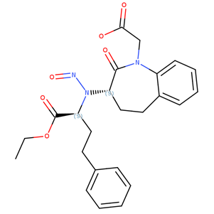 | N-nitroso-benazepril | 2-((S)-3-(((S)-1-Ethoxy-1-oxo-4-phenylbutan-2-yl)(nitroso)amino)-2-oxo-2,3,4,5-tetrahydro-1H-benzo[b]azepin-1-yl)acetic acid | CCOC(=O)[C@H](CCC1=CC=CC=C1)N([C@H]3CCC2=CC=CC=C2N(C3=O)CC(=O)O)N=O | NA |  | Benazepril | 5 | 1500 |  | 2023-07-01
 | N-nitroso-benzathine | N-benzyl-N-(2-(benzylamino)ethyl)nitrous amide | O=NN(CC1=CC=CC=C1)CCNCC2=CC=CC=C2 | NA | NNB | Benzathine | 1 | 18 |  | 2025-05-15
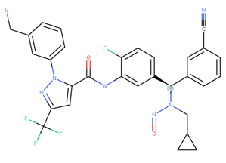 | N-nitroso-berotralstat | (R)-1-(3-(Aminomethyl)phenyl)-N-(5-((3-cyanophenyl)((cyclopropylmethyl) (nitroso)amino)methyl)-2-fluorophenyl)-3-(trifluoromethyl)-1H-pyrazole-5-carboxamide | NCC1=CC(=CC=C1)N2N=C(C=C2C(=O)NC3=CC(=CC=C3F)[C@H](N(CC4CC4)N=O)C5=CC=CC(=C5)C#N)C(F)(F)F | NA |  | Berotralstat |  | 1500 | Limit based on negative bacterial reverse mutation test | 2025-08-01
 | N-nitroso-betahistine | N-methyl-N-(2-pyridin-2-ylethyl)nitrous amide | CN(CCC1=CC=CC=N1)N=O | 32635-81-7 |  | Betahistine | 1 | 18 | CPCA derived AI as substance tested positive in in vivo mutagenicity study | 2023-07-01
 | N-nitroso-betaxolol | N-(3-(4-(2-(cyclopropylmethoxy)ethyl)phenoxy)-2-hydroxypropyl)-N-isopropylnitrous amide | CC(C)N(CC(COC1=CC=C(C=C1)CCOCC2CC2)O)N=O | NA |  | Betaxolol | 4 | 1500 |  | 2024-01-15
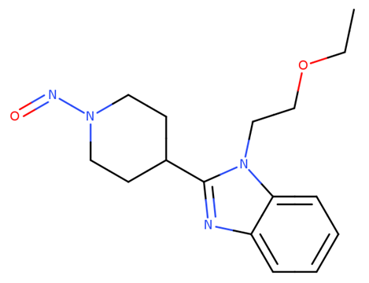 | N-nitroso-bilastine impurity 2 | 1-(2-Ethoxyethyl)-2-(1-nitrosopiperidin-4-yl)-1H-benzo[d]imidazole | O=NN(CC1)CCC1C2=NC3=CC=CC=C3N2CCOCC | NA |  | Bilastine | 3 | 400 |  | 2024-07-01
 | N-nitroso-bisoprolol | N-[2-hydroxy-3-[4-(2-propan-2-yloxyethoxymethyl)phenoxy]propyl]-N-propan-2-ylnitrous amide | CC(C)N(CC(COC1=CC=C(C=C1)COCCOC(C)C)O)N=O | 2820170-76-9 | NBP | Bisoprolol | 4 | 1500 |  | 2023-07-01
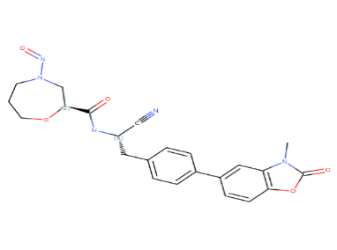 | N-nitroso-brensocatib | (S)-N-((S)-1-cyano-2-(4-(3-methyl-2-oxo-2,3-dihydrobenzo[d]oxazol-5-yl)phenyl)ethyl)-4-nitroso-1,4-oxazepane-2-carboxamide | CN1C(=O)OC2=C1C=C(C=C2)C3=CC=C(C=C3)C[C@@H](C#N)NC(=O)[C@@H]4CN(CCCO4)N=O | NA |  | Brensocatib |  | 1500 | Limit based on negative bacterial reverse mutation test | 2026-03-01
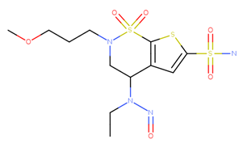 | N-nitroso-brinzolamide | (R)-4-(ethyl(nitroso)amino)-2-(3-methoxypropyl)-3,4-dihydro-2H-thieno[3,2-e][1,2]thiazine-6-sulfonamide 1,1-dioxide | CCN(N=O)C1CN(CCCOC)S(=O)(=O)C=2SC(S(N)(=O)=O)=CC1=2 | NA |  | Brinzolamide | 2 | 100 |  | 2025-05-15
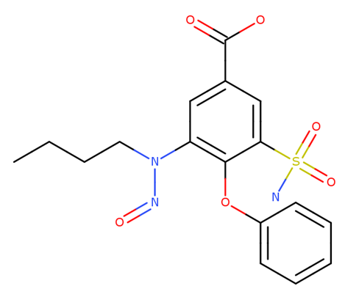 | N-nitroso-bumetanide | 3-[butyl(nitroso)amino]-4-phenoxy-5-sulfamoylbenzoic acid | CCCCN(C1=C(C(=CC(=C1)C(=O)O)S(=O)(=O)N)OC2=CC=CC=C2)N=O | 2490432-02-3 | NNB | Bumetanide |  | 1500 | Limit based on negative bacterial reverse mutation test | 2023-07-01
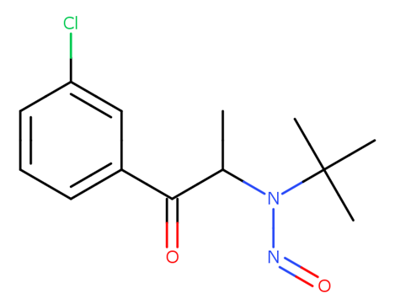 | N-nitroso-bupropion | N-tert-butyl-N-[1-(3-chlorophenyl)-1-oxopropan-2-yl]nitrous amide | CC(N(N=O)C(C)(C)C)C(C1=CC=CC(Cl)=C1)=O | 2763780-10-3 |  | Bupropion |  | NMI | Substance tested negative in in vivo mutagenicity study. Can be controlled according to ICH Q3A/B. | 2023-07-01
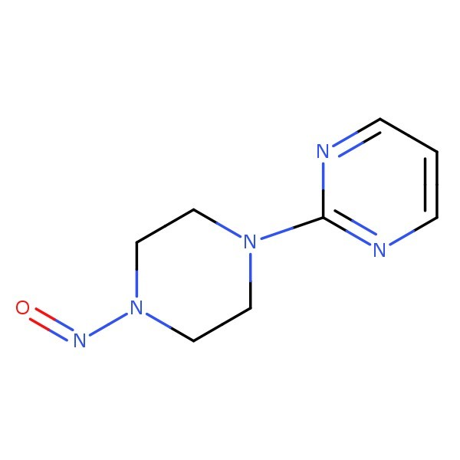 | N-nitroso-buspirone Impurity 1 | 2-(4-nitrosopiperazine-1-yl)-pyrimidine | C1=NC(=NC=C1)N2CCN(CC2)N=O | 872826-80-7 |  | Buspirone | 3 | 400 |  | 2024-09-01
 | N-nitroso-calcium folinate | N-[4-[[(2-amino-5-formyl-1,4,5,6,7,8-hexahydro-4-oxo-6-pteridinyl)methyl](nitroso)amino]benzoyl]-L-glutamic acid | C1C(N(C2=C(N1)N=C(NC2=O)N)C=O)CN(C3=CC=C(C=C3)C(=O)N[C@H](CCC(=O)[O-])C(=O)[O-])N=O | NA | N-nitroso-leucovorin-2 | Calcium folinate/ Calcium levofolinate |  | NMI | Substance tested negative in in vivo mutagenicity study. Can be controlled according to ICH Q3A/B. | 2023-11-15
 | N-nitroso-carvedilol | N-(3-((9H-Carbazol-4-yl)oxy)-2-hydroxypropyl)-N-(2-(2-methoxyphenoxy)ethyl)nitrous amide | COC=1C=CC=CC=1OCCN(N=O)CC(O)COC2=CC=CC4=C2C=3C=CC=CC=3N4 | 2248746-67-8 |  | Carvedilol | 3 | 400 |  | 2025-05-15
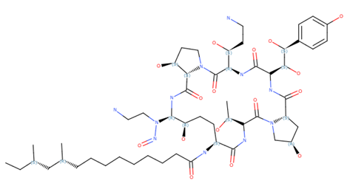 | N-nitroso-caspofungin | (10R,12S)-N-((2R,9S,11R,12S,14aS,15S,20S,25aS)-20-((R)-3-amino-1-hydroxypropyl)-12-((2-aminoethyl)(nitroso)amino)-23-((1S,2S)-1,2-dihydroxy-2-(4-hydroxyphenyl)ethyl)-2,11,15-trihydroxy-6-((R)-1-hydroxyethyl)-5,8,14,19,22,25-hexaoxotetracosahydro-1H-dipyrrolo[2,1-c:2`,1`-l][1,4,7,10,13,16]hexaazacyclohenicosin-9-yl)-10,12-dimethyltetradecanamide | C(CCCCCCCC(=O)N[C@@H]1C(NC(C(N4[C@H](C(NC(C(N[C@@H](C(N2[C@H](C(N[C@@H]([C@@H](CC1)O)N(CCN)N=O)=O)[C@H](CC2)O)=O)[C@H](CCN)O)=O)[C@@H]([C@H](C3=CC=C(C=C3)O)O)O)=O)C[C@H](C4)O)=O)[C@H](C)O)=O)[C@H](C[C@H](CC)C)C | NA |  | Caspofungin | 4 | 1500 |  | 2024-07-01
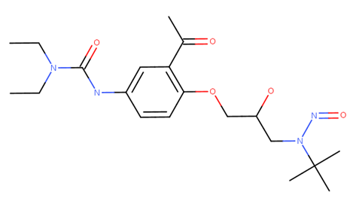 | N-nitroso-celiprolol | 3-(3-Acetyl-4-(3-(tert-butyl(nitroso)amino)-2-hydroxypropoxy)phenyl)-1,1-diethylurea | CC(C1=C(OCC(O)CN(N=O)C(C)(C)C)C=CC(NC(N(CC)CC)=O)=C1)=O | NA |  | Celiprolol | 5 | 1500 |  | 2023-11-15
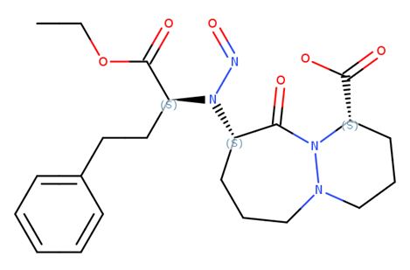 | N-nitroso-cilazapril | (1S, 9S)-9-[[(1S)-1-(Ethoxycarbonyl)-3-phenylpropyl]nitrosoamino]octahydro-10-oxo-6H-pyridazino[1, 2-a][1, 2]diazepine-1-carboxylic Acid | O=C([C@@H]1CCCN2N1C([C@@H](N([C@H](C(OCC)=O)CCC3=CC=CC=C3)N=O)CCC2)=O)O | 1053740-92-3 |  | Cilazapril | 5 | 1500 |  | 2023-07-01
 | N-nitroso-cinacalcet | (R)-N-(1-(naphthalen-1-yl)ethyl)-N-(3-(3-(trifluoromethyl)phenyl)propyl)nitrous amide | C[C@H](C1=CC=CC2=CC=CC=C12)N(CCCC3=CC(=CC=C3)C(F)(F)F)N=O | NA |  | Cinacalcet | 3 | 400 |  | 2023-12-15
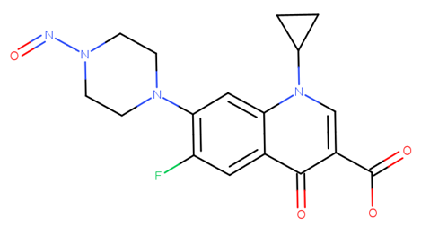 | N-nitroso-ciprofloxacin | 1-cyclopropyl-6-fluoro-7-(4-nitrosopiperazin-1-yl)-4-oxoquinoline-3-carboxylic acid | C1CC1N2C=C(C(=O)C3=CC(=C(C=C32)N4CCN(CC4)N=O)F)C(=O)O | 864443-44-7 |  | Ciprofloxacin |  | NMI | Substance tested negative in in vivo mutagenicity study. Can be controlled according to ICH Q3A/B. | 2023-07-01
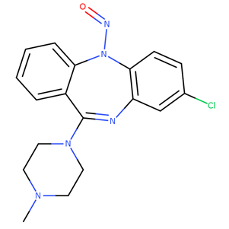 | N-nitroso-clozapine | 8-chloro-11-(4-methylpiperazin-1-yl)-5-nitroso-5H-dibenzo[b,e][1,4]diazepine | CN1CCN(CC1)C/3=N\C2=C(C=CC(=C2)Cl)N(C4=CC=CC=C/34)N=O | 156632-03-0 |  | Clozapine | 5 | 1500 |  | 2024-02-15
 | N-nitroso-clozapine EP Impurity C | 8-chloro-11-(4-nitrosopiperazin-1-yl)-5H-dibenzo[b, e][1, 4]diazepine | N(N1CCN(CC1)C/3=N\C2=C(C=CC(=C2)Cl)NC4=CC=CC=C/34)=O | NA |  | Clozapine | 3 | 400 |  | 2024-02-15
 | N-nitroso-cytisine | (1R,5R)-3-Nitroso-1,2,3,4,5,6-hexahydro-8H-1,5-methanopyrido[1,2-a][1,5]diazocin-8-one | O=C3N2C([C@]1(CN(N=O)C[C@](C1)([H])C2)[H])=CC=C3 | 19634-60-7 |  | Cytisine | 3 | 400 |  | 2025-12-01
 | N-nitroso-dabigatran etexilate | Ethyl3-(2-(((4-(N-((hexyloxy)carbonyl)carbamimidoyl)phenyl)(nitroso)amino)methyl)-1-methyl-N-(pyridin-2-yl)-1H-benzo[d]imidazole-5-carboxamido)propanoate | C1=C3C(=CC=C1C(N(C2=NC=CC=C2)CCC(OCC)=O)=O)N(C(=N3)CN(N=O)C=4C=CC(=CC=4)C(=N)NC(=O)OCCCCCC)C | NA | NND | Dabigatran Etexilate |  | 1500 | Limit based on negative bacterial reverse mutation test | 2023-07-01
 | N-nitroso-dabigatran etexilate amide | Ethyl 3-(2-(((4-(((hexyloxy)carbonyl)carbamoyl)phenyl)(nitroso)amino)methyl)-1-methyl-N- (pyridin-2-yl)-1H-benzo[d]imidazole-5-carboxamido)propanoate | CN1C2=CC=C(C(N(C3=CC=CC=N3)CCC(OCC)=O)=O)C=C2N=C1CN(N=O)C4=CC=C(C(NC(OCCCCCC)=O)=O)C=C4 | NA | NNDH | Dabigatran Etexilate |  | 1500 | Limit derived using structure-activity-relationship (SAR)/read-across and weight of evidence approaches using N-nitroso-dabigatran etexilate as a surrogate. | 2026-03-01
 | N-nitroso-dalbavancin | (2S,3S,4R,5R,6S)-6-[[(1S,2R,19R,22R,34S,37R,40R,52R)-5,32-dichloro-52-[3-(dimethylamino)propylcarbamoyl]-2,26,31,44,49-pentahydroxy-22-[methyl(nitroso)amino]-21,35,38,54,56,59-hexaoxo-47-[(2R,3S,4S,5S,6R)-3,4,5-trihydroxy-6-(hydroxymethyl)oxan-2-yl]oxy-7,13,28-trioxa-20,36,39,53,55,58-hexazaundecacyclo[38.14.2.23,6.214,17.219,34.18,12.123,27.129,33.141,45.010,37.046,51]hexahexaconta-3,5,8,10,12(64),14(63),15,17(62),23(61),24,26,29(60),30,32,41(57),42,44,46(51),47,49,65-henicosaen-64-yl]oxy]-3,4-dihydroxy-5-(10-methylundecanoylamino)oxane-2-carboxylic acid | ClC8=C9OC=3C(O[C@@H]1O[C@@H]([C@@H](O)[C@H](O)[C@H]1NC(=O)CCCCCCCCC(C)C)C(O)=O)=C4OC%13=CC=C(CC2NC(=O)[C@@H](C%12=CC=C(OC%11=CC(C(NC2=O)C(=O)NC(C(C=3)=C4)C(=O)NC7C%10=CC(C=6C(O[C@H]5O[C@@H]([C@@H](O)[C@@H](O)[C@@H]5O)CO)=CC(O)=CC=6C(NC(=O)C(NC7=O)[C@H](O)C(=C8)C=C9)C(NCCCN(C)C)=O)=C(O)C=C%10)=C(Cl)C(O)=C%11)C(O)=C%12)N(C)N=O)C=C%13 | NA |  | Dalbavancin | 4 | 1500 |  | 2025-02-01
 | N-nitroso-dasatinib | N-(2-chloro-6-methylphenyl)-2-((6-(4-(2-hydroxyethyl)piperazin-1-yl)-2-methylpyrimidin-4-yl)(nitroso)amino)thiazole-5-carboxamide | O=C(C3=CN=C(N(C1=NC(C)=NC(=C1)N2CCN(CC2)CCO)N=O)S3)NC4=C(C)C=CC=C4Cl | NA |  | Dasatinib | 5 | 1500 |  | 2025-02-01
 | N-nitroso-desbutyldronedarone | N-(2-butyl-3-(4-(3-(butyl(nitroso)amino)propoxy)benzoyl)benzofuran-5-yl)methanesulfonamide | CS(=O)(NC3=CC=C2OC(CCCC)=C(C(C1=CC=C(OCCCN(CCCC)N=O)C=C1)=O)C2=C3)=O | NA |  | Dronedarone |  | 1500 | Limit based on negative bacterial reverse mutation test | 2026-03-01
 | N-nitroso-desbutyllumefantrine | (Z)-N-Butyl-N-(2-(2,7-dichloro-9-(4-chlorobenzylidene)-9H-fluoren-4-yl)-2-hydroxyethyl)nitrous amide | OC(C4=C3C1=CC=C(Cl)C=C1/C(=C/C2=CC=C(Cl)C=C2)C3=CC(Cl)=C4)CN(N=O)CCCC | NA |  | Lumefantrine |  | 1500 | Limit based on negative bacterial reverse mutation test | 2025-12-01
 | N-nitroso-desethyllidocaine | N-(2,6-dimethylphenyl)-2-[ethyl(nitroso)amino]acetamide | C1=CC=C(C(=C1C)NC(CN(CC)N=O)=O)C | NA |  | Lidocaine | 2 | 100 |  | 2023-11-15
 | N-Nitroso-desformyl-riociguat | N-(4,6-diamino-2-(1-(2-fluorobenzyl)-1H-pyrazolo[3,4-b]pyridin-3-yl)pyrimidin-5-yl)-N-methylnitrous | CN(C1=C(N=C(N=C1N)C2=NN(C3=C2C=CC=N3)CC4=CC=CC=C4F)N)N=O | NA |  | Riociguat | 2 | 100 |  | 2024-07-01
 | N-nitroso-desloratadine | 13-chloro-2-(1-nitrosopiperidin-4-ylidene)-4-azatricyclo [9.4.0.03,8]pentadeca-1(11),3(8),4,6,12,14-hexaene | C1CC2=C(C=CC(=C2)Cl)C(=C3CCN(CC3)N=O)C4=C1C=CC=N4 | 1246819-22-6 |  | Desloratadine | 3 | 400 |  | 2023-07-01
 | N-nitroso-desmethyl-azelastine | 4-(4-Chlorobenzyl)-2-(1-nitrosoazepan-4-yl)phthalazin-1(2H)-one | C1(CCN(CCC1)N=O)N/N=C(\C=2C(C(=O)C)=CC=CC=2)CC=3C=CC(=CC=3)Cl | NA |  | Azelastine | 2 | 100 |  | 2023-11-15
 | N-nitroso-desmethyl-azithromycin | (2R,3S,4R,5R,8R,10R,11R,12S,13S,14R)-2-ethyl-3,4,10-trihydroxy-13-[(2R,4R,5S,6S)-5-hydroxy-4-methoxy-4,6-dimethyloxan-2-yl]oxy-11-[(2S,3R,4S,6R)-3-hydroxy-6-methyl-4-(methylamino)oxan-2-yl]oxy-3,5,6,8,10,12,14-heptamethyl-1-oxa-6-azacyclopentadecan-15-one | O=NN([C@H]1C[C@@H](C)O[C@H]([C@@H]1O)O[C@@H]1[C@@H](C)[C@H](O[C@@H]2O[C@@H](C)[C@@H]([C@](C2)(C)OC)O)[C@@H](C)C(=O)O[C@H](CC)[C@@]([C@@H]([C@H](N(C[C@@H](C[C@@]1(C)O)C)C)C)O)(C)O)C | NA |  | Azithromycin |  | NMI | Substance tested negative in in vivo mutagenicity study. Can be controlled according to ICH Q3A/B. | 2023-07-01
 | N-nitroso-desmethyl-cabergoline | (6aR,9R,10aR)-7-allyl-N-(ethylcarbamoyl)-N-(3-(methyl(nitroso)amino)propyl)-4,6,6a,7,8,9,10,10a-octahydroindolo[4,3-fg]quinoline-9-carboxamide | O=C([C@@H]1C[C@@]3([H])[C@@](N(C1)CC=C)([H])CC2=CNC4=C2C3=CC=C4)N(C(NCC)=O)CCCN(C)N=O | NA |  | Cabergoline | 1 | 18 |  | 2025-02-01
 | N-nitroso-desmethyl-chloropyramine | N-[2-[(4-chlorophenyl)methyl-pyridin-2-ylamino]ethyl]-N-methylnitrous amide | N(N(C)CCN(CC1=CC=C(C=C1)Cl)C2=CC=CC=N2)=O | NA |  | Chloropyramine | 1 | 18 |  | 2023-07-01
 | N-nitroso-desmethyl-chlorphenamine | N-(3-(4-Chlorophenyl)-3-(pyridin-2-yl)propyl)-N-methylnitrous Amide | C1(=CC=C(C=C1)C(C=2N=CC=CC=2)CCN(C)N=O)Cl | NA |  | Chlorphenamine | 1 | 18 |  | 2024-12-01
 | N-nitroso-desmethyl-cidoxepin | N-[(3Z)-3-(6H-benzo[c][1]benzoxepin-11-ylidene)propyl]-N-methylnitrous amide | CN(CC/C=C\1/C2=CC=CC=C2COC3=CC=CC=C31)N=O | NA |  | Doxepin | 1 | 18 |  | 2026-03-01
 | N-nitroso-desmethyl-citalopram/ N-nitroso-desmethyl-escitalopram | N-(3-(5-cyano-1-(4-fluorophenyl)-1, 3-dihydroisobenzofuran-1-yl)propyl)-N-methylnitrous amide | C1=C(C=CC2=C1COC2(C3=CC=C(C=C3)F)CCCN(N=O)C)C#N | NA |  | Citalopram |  | 100 | Limit derived using structure-activity-relationship (SAR)/read-across approach using the TD50 of NNK as point of departure. | 2023-12-15
 | N-nitroso-desmethyl-clarithromycin | N-[(2S,3R,4S,6R)-2-[[(3R,4S,5S,6R,7R,9R,11R,12R,13S,14R)-14-ethyl-12,13-dihydroxy-4-[(2R,4R,5S,6S)-5-hydroxy-4-methoxy-4,6-dimethyloxan-2-yl]oxy-7-methoxy-3,5,7,9,11,13-hexamethyl-2,10-dioxo-oxacyclotetradec-6-yl]oxy]-3-hydroxy-6-methyloxan-4-yl]-N-methylnitrous amide | CC[C@@H]1[C@@]([C@@H]([C@H](C(=O)[C@@H](C[C@@]([C@@H]([C@H]([C@@H]([C@H](C(=O)O1)C)O[C@H]2C[C@@]([C@H]([C@@H](O2)C)O)(C)OC)C)O[C@H]3[C@@H]([C@H](C[C@H](O3)C)N(C)N=O)O)(C)OC)C)C)O)(C)O | NA |  | Clarithromycin |  | NMI | Limit derived using structure-activity-relationship (SAR)/read-across and weight of evidence approaches using N-nitroso-desmethyl-azithromycin as a surrogate. Can be controlled according to ICH Q3A/B. | 2024-07-01
 | N-nitroso-desmethyl-diltiazem | [(2S,3S)-2-(4-methoxyphenyl)-5-[2-[methyl(nitroso)amino]ethyl]-4-oxo-2,3-dihydro-1,5-benzothiazepin-3-yl] acetate | CC(=O)O[C@@H]1[C@@H](SC2=CC=CC=C2N(C1=O)CCN(C)N=O)C3=CC=C(C=C3)OC | NA |  | Diltiazem |  | 100 | Limit derived using structure-activity-relationship (SAR)/read-across approach using the TD50 of NNK as point of departure. | 2026-03-01
 | N-nitroso-desmethyl-dimetindene | N-methyl-N-(2-(3-(1-(pyridin-2-yl)ethyl)-1H-inden-2-yl)ethyl)nitrous amide | C1=CC=CC/2=C1C(\C(=C/2)CCN(C)N=O)C(C=3C=CC=CN=3)C | NA | NO-DDMT | Dimetindene | 1 | 18 |  | 2024-09-01
 | N-nitroso-desmethyl-doxycycline | (4S,5S,6R,12aR)-1,5,10,11,12a-pentahydroxy-6-methyl-4-[methyl(nitroso)amino]-3,12-dioxo-4a,5,5a,6-tetrahydro-4H-tetracene-2-carboxamide | C[C@@H]1C2[C@@H](C3[C@@H](C(=O)C(=C([C@]3(C(=O)C2=C(C4=C1C=CC=C4O)O)O)O)C(=O)N)N(C)N=O)O | NA |  | Doxycycline | 3 | 400 |  | 01 June 2026 (new)
 | N-nitroso-desmethyl-doxylamine | N-methyl-N-(2-(1-phenyl-1-(pyridin-2-yl)ethoxy)ethyl)nitrous amide | C1=CC=CC(=C1)C(C)(OCCN(N=O)C)C2=NC=CC=C2 | NA |  | Doxylamine |  | 100 | Limit derived using structure-activity-relationship (SAR)/read-across approach using the TD50 of NNK as point of departure. | 2025-08-01
 | N-nitroso-desmethyl-edoxaban | N-1-(5-chloropyridin-2-yl)-N2-((1S,2R,4S)-4-(dimethylcarbamoyl)-2-(5-nitroso-4,5,6,7-tetrahydrothiazolo[5,4-c]pyridine-2-carboxamido) cyclohexyl) oxalamide | O=NN1CCC2=C(SC(C(N[C@H]3[C@@H](NC(C(NC4=NC=C(Cl)C=C4)=O)=O)CC[C@H](C(N(C)C)=O)C3)=O)=N2)C1 | NA |  | Edoxaban | 2 | 100 |  | 2024-05-01
 | N-nitroso-desmethyl-eletriptan | 5-[2-(benzenesulfonyl)ethyl]-3-[[(2R)-1-nitrosopyrrolidin-2-yl]methyl]-1H-indole | C1C[C@@H](N(C1)N=O)CC2=CNC3=C2C=C(C=C3)CCS(=O)(=O)C4=CC=CC=C4 | NA |  | Eletriptan | 4 | 1500 |  | 2024-12-01
 | N-nitroso-desmethyl-galantamine | (4aS,6R,8aS)-3-methoxy-11-nitroso-4a,5,9,10,11,12-hexahydro-6H-benzo[2,3]benzofuro[4,3-cd]azepin-6-ol | [C@@]12(C[C@H](/C=C\[C@@]14C3=C(O2)C(OC)=CC=C3CN(CC4)N=O)O[H])[H] | NA |  | Galantamine | 1 | 18 |  | 2024-12-01
 | N-nitroso-desmethyl-lercanidipine | 3-(1-((3,3-diphenylpropyl)(nitroso)amino)-2-methylpropan-2-yl) 5-methyl 2,6-dimethyl-4-(3-nitrophenyl)-1,4-dihydropyridine-3,5-dicarboxylate | O=C(C/1=C(/C)N/C(C)=C(/C(OC)=O)C/1C2=CC=CC([N+]([O-])=O)=C2)OC(C)(C)CN(CCC(C3=CC=CC=C3)C4=CC=CC=C4)N=O | NA |  | Lercanidipine | 2 | 100 |  | 2025-02-01
 | N-nitroso-desmethyl-lercanidipine impurity D | 3-(1-((3,3-diphenylpropyl)(nitroso)amino)-2-methylpropan-2-yl) 5-methyl 2,6-dimethyl-4-(3-nitrophenyl)pyridine-3,5-dicarboxylate | O=C(C1=C(C)N=C(C)C(C(OC)=O)=C1C2=CC=CC([N+]([O-])=O)=C2)OC(C)(C)CN(CCC(C3=CC=CC=C3)C4=CC=CC=C4)N=O | NA |  | Lercanidipine | 2 | 100 |  | 2025-02-01
 | N-nitroso-N-desmethyl-mianserin | 2-Nitroso-1,2,3,4,10,14b-hexahydrodibenzo[c,f]pyrazino[1,2-a]azepine | O=NN1CCN2C3=CC=CC=C3CC4=C(C=CC=C4)C2C1 | NA | NA | Mianserin | 3 | 400 |  | 2025-02-01
 | N-nitroso-desmethyl-mifepristone | N-[4-[(8S,11R,13S,14S,17S)-17-hydroxy-13-methyl-3-oxo-17-prop-1-ynyl-1,2,6,7,8,11,12,14,15,16-decahydrocyclopenta[a]phenanthren-11-yl]phenyl]-N-methylnitrous amide | O=NN(C5=CC=C([C@H]\3C[C@]1(C)[C@@](C#CC)(O)CC[C@@]1([H])[C@]4([H])CCC/2=C\C(CCC/2=C\34)=O)C=C5)C | NA |  | Mifepristone | 2 | 100 |  | 2025-12-01
 | N-nitroso-desmethyl-nintedanib | Methyl (Z)-3-(((4-(N-methyl-2-(4-nitrosopiperazin-1-yl)acetamido)phenyl)amino)(phenyl)methylene)-2-oxoindoline-6-carboxylate | N(N1CCN(CC1)CC(=O)N(C)C2=CC=C(C=C2)N\C(C3=CC=CC=C3)=C/4C(NC5=C/4C=CC(=C5)C(=O)OC)=O)=O | NA |  | Nintedanib | 3 | 400 |  | 2023-12-15
 | N-nitroso-desmethyl-rifampicin | N-nitroso-desmethyl-rifampicin | C=25C(/C=N/N1CCN(CC1)N=O)=C(C=3C(C=2O)=C(C(=C4C=3C([C@](O4)(C)O/C=C/[C@H](OC)[C@H]([C@@H](C)[C@@H]([C@H](O)[C@H](C)[C@@H](O)[C@@H](/C=C\C=C(\C(N5)=O)C)C)C)C)=O)C)O)O.OC(=O)C | NA |  | Rifampicin | 3 | 400 |  | 01 June 2026 (new)
 | N-nitroso-desmethyl-rivastigmine | [3-[(1S)-1-[methyl(nitroso)amino] ethyl]phenyl] N-ethyl-N-methyl carbamate | O(C1=CC=CC(C(N(N=O)C)C)=C1)C(N(C)CC)=O | NA |  | Rivastigmine | 2 | 100 |  | 2024-09-01
 | N-nitroso-desmethyl-rizatriptan | N-methyl-N-[2-[5-(1,2,4-triazol-1-ylmethyl)-1H-indol-3-yl]ethyl]nitrous amide | CN(CCC1=CNC2=C1C=C(C=C2)CN3C=NC=N3)N=O | NA |  | Rizatriptan | 1 | 18 |  | 2024-12-01
 | N-nitroso-desmethyl-sildenafil | 5-(2-ethoxy-5-((4-nitrosopiperazin-1-yl)sulfonyl)phenyl)-1-methyl-3-propyl-1H-pyrazolo[4, 3-d]pyrimidin-7(6H)-one | CCCC1=NN(C2=C1N=C(NC2=O)C3=C(C=CC(=C3)S(=O)(=O)N4CCN(CC4)N=O)OCC)C | NA |  | Sildenafil | 3 | 400 |  | 2024-01-15
 | N-nitroso-desmethyl-sumatriptan | N-methyl-1-(3-(2-(methyl(nitroso)amino)ethyl)-1H-indol-5-yl)methanesulfonamide | CNS(=O)(=O)CC1=CC2=C(C=C1)NC=C2CCN(N=O)C | NA |  | Sumatriptan | 1 | 18 |  | 2024-01-15
 | N-nitroso-desmethyl-tamoxifen | (Z)-N-(2-(4-(1, 2-diphenylbut-1-en-1-yl)phenoxy)ethyl)-N-methylnitrous amide | CC/C(=C(\C1=CC=CC=C1)C2=CC=C(C=C2)OCCN(N=O)C)C3=CC=CC=C3 | NA |  | Tamoxifen | 1 | 18 |  | 2024-02-15
 | N-nitroso-desmethyl-tapentadol | N-[(2R,3R)-3-(3-hydroxyphenyl)-2-methylpentyl]-N-methylnitrous amide | CC[C@@H](C1=CC(=CC=C1)O)[C@@H](C)CN(C)N=O | NA |  | Tapentadol | 1 | 18 |  | 2025-12-01
 | N-nitroso-desmethyl-terbinafine | (E)-N-(6,6-Dimethylhept-2-en-4-yn-1-yl)-N-(naphthalen-1-ylmethyl)nitrous amide | CC(C)(C)C#C/C=C/CN(N=O)CC1=CC=CC2=CC=CC=C12 | NA | NDT, NHNA | Terbinafine | 1 | 18 |  | 2024-01-15
 | N-nitroso-desmethyl-tramadol | N-[[(1R,2R)-2-hydroxy-2-(3-methoxyphenyl)cyclohexyl]methyl]-N-methylnitrous amide | CN(C[C@H]1CCCC[C@@]1(C2=CC(=CC=C2)OC)O)N=O | NA |  | Tramadol | 1 | 18 |  | 2024-07-01
 | N-nitroso-desmethyl-trimebutine | 2-(Methyl(nitroso)amino)-2-phenylbutyl 3, 4, 5-trimethoxybenzoate | CCC(COC(=O)C1=CC(=C(C(=C1)OC)OC)OC)(C2=CC=CC=C2)N(C)N=O | NA |  | Trimebutine | 5 | 1500 |  | 2023-07-01
 | N-nitroso-desmethyl-tripelennamine | N-[2-[benzyl(pyridin-2-yl)amino]ethyl]-N-methylnitrous amide | N(C)(CCN(CC1=CC=CC=C1)C2=CC=CC=N2)N=O | NA |  | Tripelennamine | 1 | 18 |  | 2023-07-01
 | N-nitroso-desmethyl-ulipristal acetate | [(8S,11R,13S,14S,17R)-17-acetyl-13-methyl-11-[4-[methyl(nitroso)amino]phenyl]-3-oxo-1,2,6,7,8,11,12,14,15,16-decahydrocyclopenta[a]phenanthren-17-yl] acetate | CC(=O)[C@]1(CC[C@@H]2[C@@]1(C[C@@H](C3=C4CCC(=O)C=C4CC[C@@H]23)C5=CC=C(C=C5)N(C)N=O)C)OC(=O)C |  | NDUPA | Ulipristal acetate | 2 | 100 |  | 2026-03-01
 | N-nitroso-desmethyl-zolmitriptan | N-methyl-N-[2-[5-[[(4S)-2-oxo-1,3-oxazolidin-4-yl]methyl]-1H-indol-3-yl]ethyl]nitrous amide | CN(CCC1=CNC2=C1C=C(C=C2)C[C@H]3COC(=O)N3)N=O | NA |  | Zolmitriptan | 1 | 18 |  | 2024-12-01
 | N-nitroso-despropyl-ropinirole | N-(2-(2-oxoindolin-4-yl)ethyl)-N-propylnitrous amide | O=C1NC2=C(C1)C(=CC=C2)CCN(N=O)CCC | NA |  | Ropinirole | 1 | 18 |  | 2025-05-15
 | N-nitroso-desvaleryl-valsartan | (S)-2-(((2'-(1H-tetrazol-5-yl)- [1,1′-biphenyl]-4-yl) methyl)(nitroso)amino)- 3-methylbutanoic acid | CC(C)[C@H](C(=O)O)N(CC1=CC=C(C=C1)C2=CC=CC=C2C3=NNN=N3)N=O | 2254485-68-0 |  | Valsartan |  | NMI | Substance tested negative in in vivo mutagenicity study. Can be controlled according to ICH Q3A/B. | 2024-07-01
 | N-nitroso-desvenlafaxine | N-(2-(1-Hydroxycyclohexyl)-2-(4-hydroxyphenyl)ethyl)-N-methylnitrous amide | C1=CC(=CC=C1C(CN(N=O)C)C2(CCCCC2)O)O | NA |  | Desvenlafaxine | 1 | 18 |  | 2023-11-15
 | N-nitroso-diazepam Impurity D | N-(2-benzoyl-4-chlorophenyl)-N-methylnitrous amide | O=NN(C1=CC=C(Cl)C=C1C(C2=CC=CC=C2)=O)C | 51145-18-7 |  | Diazepam | 2 | 100 |  | 2026-03-01
 | N-nitroso-diclofenac | 2-[2-(2,6-dichloro-N-nitrosoanilino)phenyl]acetic acid | C1=CC=C(C(=C1)CC(=O)O)N(C2=C(C=CC=C2Cl)Cl)N=O | 66505-80-4 |  | Diclofenac |  | 78000 | Limit derived using structure-activity-relationship (SAR)/read-across approach using the TD50 of NDPh as point of departure. | 2023-07-01
 | N-nitroso-diethanolamine | N,N-bis(2-hydroxyethyl)nitrous amide | C(CO)N(CCO)N=O | 1116-54-7 | NDELA |  |  | 1900 | Low molecular weight nitrosamines with sufficiently robust toxicological data. Not all of these impurities have been found in medicines. Others have been found in 1 or more medicines, not necessarily related to the structure of the active substance or its related impurities. Limit based on the most sensitive TD50 derived from the most robust TD50 dataset from carcinogenic potency database (CPDB) or Lhasa Carcinogenicity Database (LCD). | 2022-12-01
 | N-nitroso-diethylamine | N,N-diethylnitrous amide | CCN(CC)N=O | 55-18-5 | NDEA |  |  | 26.5 | Low molecular weight nitrosamines with sufficiently robust toxicological data to serve as points of departure for derivation of other AIs by SAR and read-across. Not all of these impurities have been found in medicines. Others have been found in 1 or more medicines, not necessarily related to the structure of the active substance or its related impurities. Limit based on the harmonic mean TD50 database included on the carcinogenic potency database (CPDB). | 2020-06-01
 | N-nitroso-diisopropanolamine | 1, 1'-(Nitrosoimino)bis-2-propanol | C(N(CC(O)C)N=O)C(O)C | 53609-64-6 | NDIPLA |  | 3 | 400 |  | 2024-02-15
 | N-nitroso-diisopropylamine | N,N-di(propan-2-yl)nitrous amide | CC(C)N(C(C)C)N=O | 601-77-4 | NDIPA |  | 5 | 1500 |  | 2020-06-01
 | N-nitroso-dimethylamine | N,N-dimethylnitrous amide | CN(C)N=O | 62-75-9 | NDMA |  |  | 96 | Low molecular weight nitrosamines with sufficiently robust toxicological data to serve as points of departure for derivation of other AIs by SAR and read-across. Not all of these impurities have been found in medicines. Others have been found in 1 or more medicines, not necessarily related to the structure of the active substance or its related impurities. Limit based on the harmonic mean TD50 database included on the carcinogenic potency database (CPDB). | 2020-06-01
 | N-nitroso-di-n-butylamine | N,N-dibutylnitrous amide | CCCCN(CCCC)N=O | 924-16-3 | NDBA |  |  | 26.5 | Limit derived using structure-activity-relationship (SAR)/read-across approach using the TD50 of NDEA as point of departure. | 2020-06-01
 | N-nitroso-diphenylamine | N,N-diphenylnitrous amide | C1=CC=C(C=C1)N(C2=CC=CC=C2)N=O | 86-30-6 | NDPh |  |  | 78000 | Nitrosamines with sufficiently robust toxicological data to serve as points of departure for derivation of other AIs by SAR and read-across. Not all of these impurities have been found in medicines. Others have been found in 1 or more medicines, not necessarily related to the structure of the active substance or its related impurities. Limit based on the most sensitive TD50 derived from the most robust TD50 dataset from carcinogenic potency database (CPDB) applying the lower boundary of the 99% CI for the TD50 estimate (TD50L01). | 2022-12-01
 | N-nitroso-dipropylamine | N,N-dipropylnitrous amide | CCCN(CCC)N=O | 621-64-7 | NDPA |  |  | 26.5 | Limit derived using structure-activity-relationship (SAR)/read-across approach using the TD50 of NDEA as point of departure. | 2021-10-01
 | N-nitroso-doravirine dimer |  | C1(=CC(=CC(=C1)Cl)C#N)OC2=C(C=CN(C2=O)CC=3N(C(N(N=3)CN(N=O)CN4N=C(N(C4=O)C)CN5C(C(=C(C=C5)C(F)(F)F)OC=6C=C(C=C(C=6)C#N)Cl)=O)=O)C)C(F)(F)F | NA | NDD | Doravirine |  | 1500 | Limit based on negative bacterial reverse mutation test | 2025-08-01
 | N-nitroso-dorzolamide | (4S, 6S)-4-(ethyl(nitroso)amino)-6-methyl-5, 6-dihydro-4H-thieno[2, 3-b]thiopyran-2-sulfonamide 7, 7-dioxide | O=S(C(S1)=CC([C@@H](N(CC)N=O)C[C@@H]2C)=C1S2(=O)=O)(N)=O | NA |  | Dorzolamide |  | 1500 | Limit based on negative bacterial reverse mutation test | 2024-01-15
 | N-nitroso-duloxetine | (S)-N-methyl-N-(3-(naphthalen-1-yloxy)-3-(thiophen-2-yl)propyl)nitrous amide | CN(N=O)CCC(OC1=C2C(C=CC=C2)=CC=C1)C3=CC=CS3 | NA |  | Duloxetine |  | 100 | Limit derived using structure-activity-relationship (SAR)/read-across approach using the TD50 of NNK as point of departure as substance tested positive in in vivo mutagenicity study | 2022-12-01
 | N-nitroso-enalapril | (2S)-1-[(2S)-2-[[(2S)-1-ethoxy-1-oxo-4-phenylbutan-2-yl]-nitrosoamino]propanoyl]pyrrolidine-2-carboxylic acid | O=C(O)[C@H]1N(C([C@H](C)N([C@@H](CCC2=CC=CC=C2)C(OCC)=O)N=O)=O)CCC1 | NA |  | Enalapril | 5 | 1500 |  | 2023-07-01
 | N-nitroso-esmolol | Methyl 3-(4-(2-hydroxy-3-(isopropyl(nitroso)amino)propoxy)phenyl)propanoate | CC(C)N(CC(COC1=CC=C(C=C1)CCC(=O)OC)O)N=O | NA |  | Esmolol | 4 | 1500 |  | 2023-11-15
 | N-nitroso-ethylenediamine-triacetic acid | 2-[carboxymethyl-[2-[carboxymethyl(nitroso)amino] ethyl]amino]acetic acid | OC(CN(CCN(N=O)CC(O)=O)CC(O)=O)=O | 862542-34-5 |  | Isosorbide mononitrate | 4 | 1500 |  | 2023-11-15
 | N-nitroso-ethylisopropylamine | N-ethyl-N-propan-2-ylnitrous amide | CCN(C(C)C)N=O | 16339-04-1 | NEIPA |  | 3 | 400 |  | 2020-06-01
 | N-nitroso-fenfluramine | N-ethyl-N-[1-[3-(trifluoromethyl)phenyl]propan-2-yl]nitrous amide | CCN(C(C)CC1=CC(=CC=C1)C(F)(F)F)N=O | 19023-40-6 |  | Fenfluramine | 3 | 400 |  | 2024-05-01
 | N-nitroso-flecainide | N-((1-Nitrosopiperidin-2-yl)methyl)-2, 5-bis(2, 2, 2-trifluoroethoxy)benzamide | C1CCN(C(C1)CNC(=O)C2=C(C=CC(=C2)OCC(F)(F)F)OCC(F)(F)F)N=O | NA |  | Flecainide | 4 | 1500 |  | 2024-02-15
 | N-nitroso-fluoxetine | N-methyl-N-[3-phenyl-3-[4-(trifluoromethyl)phenoxy]propyl]nitrous amide | CN(CCC(C1=CC=CC=C1)OC2=CC=C(C=C2)C(F)(F)F)N=O | 150494-06-7 |  | Fluoxetine |  | 100 | Limit derived using structure-activity-relationship (SAR)/read-across approach using the TD50 of NNK as point of departure as substance tested positive in in vivo mutagenicity study | 2022-12-01
 | N-nitroso-folic acid | (4-(((2-Amino-4-oxo-4,8-dihydropteridin-6-yl)methyl)(nitroso)amino)benzoyl)-L-glutamic acid | C1=CC(=CC=C1C(=O)N[C@@H](CCC(=O)O)C(=O)O)N(CC2=CN=C3C(=N2)C(=O)NC(=N3)N)N=O | 26360-21-4 | NFA | Folic acid |  | NMI | Substance tested negative in in vivo mutagenicity study. Can be controlled according to ICH Q3A/B. | 2024-05-01
 | N-nitroso-frovatriptan | (6R)-6-[methyl(nitroso)amino]-6,7,8,9-tetrahydro-5H-carbazole-3-carboxamide | CN([C@@H]1CCC2=C(C1)C3=C(N2)C=CC(=C3)C(=O)N)N=O | NA |  | Frovatriptan | 3 | 400 |  | 2025-05-15
 | N-nitroso-furosemide | 4-chloro-2-[furan-2-ylmethyl(nitroso)amino]-5-sulfamoylbenzoic acid | C1=COC(=C1)CN(C2=CC(=C(C=C2C(=O)O)S(=O)(=O)N)Cl)N=O | NA |  | Furosemide |  | 1500 | Limit based on negative bacterial reverse mutation test | 2024-05-01
 | N-nitroso-hydrochlorothiazide | 6-chloro-4-nitroso-1,1-dioxo-2,3-dihydro-1λ6,2,4-benzothiadiazine-7-sulfonamide | C1NS(=O)(=O)C2=CC(=C(C=C2N1N=O)Cl)S(=O)(=O)N | 63779-86-2 |  | Hydrochlorothiazide |  | NMI | Substance tested negative in in vivo mutagenicity study. Can be controlled according to ICH Q3A/B. | 2023-07-01
 | N-nitroso-hydroxychloroquine EP Impurity C | N-(4-((7-Chloroquinolin-4-yl)amino)pentyl)-N-(2-hydroxyethyl)nitrous amide | OCCN(N=O)CCCC(NC1=CC=NC2=CC(Cl)=CC=C12)C | NA |  | Hydroxychloroquine | 2 | 100 |  | 2025-08-01
 | N-nitroso-hydroxychloroquine EP Impurity D | N-(4-((7-Chloroquinolin-4-yl)amino)pentyl)-N-ethylnitrous amide | CC(NC2=C1C(C=C(Cl)C=C1)=NC=C2)CCCN(N=O)CC | NS |  | Hydroxychloroquine | 1 | 18 |  | 2025-08-01
 | N-nitroso-hydroxyzine Impurity A | 1-((4-Chlorophenyl)(phenyl)methyl)-4-nitrosopiperazine | ClC3=CC=C(C(C1=CC=CC=C1)N2CCN(N=O)CC2)C=C3 | 2005-04-1 |  | Hydroxyzine | 3 | 400 |  | 2025-08-01
 | N-nitroso-imatinib | N-(4-methyl-3-(nitroso(4-(pyridin-3-yl)pyrimidin-2-yl)amino)phenyl)-4-((4-methylpiperazin-1-yl)methyl)benzamide | CC1=C(C=C(C=C1)NC(=O)C2=CC=C(C=C2)CN3CCN(CC3)C)N(C4=NC=CC(=N4)C5=CN=CC=C5)N=O | NA |  | Imatinib | 5 | 1500 |  | 2023-12-15
 | N-nitroso-iminodiacetic acid | 2-[carboxymethyl(nitroso)amino] acetic acid | C(C(=O)O)N(CC(=O)O)N=O | 25081-31-6 |  | Isosorbide mononitrate | 4 | 1500 |  | 2023-11-15
 | N-nitroso-iminodibenzyl | 2‐nitroso‐2‐azatricyclo[9.4.0.0³,⁸] pentadeca‐1(11),3(8),4,6,12,14‐hexaene) | C1CC2=CC=CC=C2N(C3=CC=CC=C31)N=O | NA |  | Melipramin |  | 78000 | Limit derived using structure-activity-relationship (SAR)/read-across approach using the TD50 of NDPh as point of departure. | 2024-09-01
 | N-nitroso-ivacaftor | N-(2,4-Di-tert-butyl-5-hydroxyphenyl)-1-nitroso-4-oxo-1,4-dihydroquinoline-3-carboxamide | C1=CC=CC2=C1N(C=C(C2=O)C(N(C=3C(=CC(=C(C=3)O[H])C(C)(C)C)C(C)(C)C)[H])=O)N=O | NA |  | Ivacaftor | 5 | 1500 |  | 2024-12-01
 | N-nitroso-ketamine | N-[1-(2-chlorophenyl)-2-oxocyclohexyl]-N-methylnitrous amide | N(N(C1(CCCCC1=O)C2=CC=CC=C2Cl)C)=O | 86144-35-6 |  | Ketamine | 5 | 1500 | CPCA derived AI as substance tested positive in in vivo mutagenicity study. LTL cannot be applied and the AI will be capped at 1500ng | 2023-07-01
 | N-nitroso-labetalol | 2-hydroxy-5-[1-hydroxy-2-[nitroso(4-phenylbutan-2-yl)amino]ethyl]benzamide | CC(CCC1=CC=CC=C1)N(CC(C2=CC(=C(C=C2)O)C(=O)N)O)N=O | 2820170-74-7 |  | Labetalol |  | 1500 | Limit based on negative bacterial reverse mutation test | 2023-07-01
 | N-nitroso-landiolol | [(4S)-2,2-dimethyl-1,3-dioxolan-4-yl]methyl 3-[4-[(2S)-2-hydroxy-3-[2-(morpholine-4-carbonylamino)ethyl-nitrosoamino]propoxy]phenyl]propanoate | CC1(OC[C@H](O1)COC(=O)CCC2=CC=C(C=C2)OC[C@H](CN(CCNC(=O)N3CCOCC3)N=O)O)C | NA |  | Landiolol | 3 | 400 |  | 2023-07-01
 | N-nitroso-leniolisib | N-[6-[6-methoxy-5-(trifluoromethyl)pyridin-3-yl]-7,8-dihydro-5H-pyrido[4,3-d]pyrimidin-4-yl]-N-(1-propanoylpyrrolidin-3-yl)nitrous amide | CCC(=O)N1CC[C@@H](C1)N(C2=NC=NC3=C2CN(CC3)C4=CC(=C(N=C4)OC)C(F)(F)F)N=O | NA | E6NA | Leniolisib | 5 | 1500 |  | 2023-11-15
 | N-nitroso-levofloxacin | (2S)-7-fluoro-2-methyl-6-(4-nitrosopiperazin-1-yl)-10-oxo-4-oxa-1-azatricyclo[7.3.1.05,13]trideca-5(13),6,8,11-tetraene-11-carboxylic acid | CC1COC2=C3N1C=C(C(=O)C3=CC(=C2N4CCN(CC4)N=O)F)C(=O)O | 1152314-62-9 |  | Levofloxacin | 4 | 1500 |  | 2023-07-01
 | N-nitroso-lisinopril | N2-((S)-1-carboxy-3-phenylpropyl)-N2-nitroso-L-lysyl-L-proline | C1C[C@H](N(C1)C(=O)[C@H](CCCCN)N([C@@H](CCC2=CC=CC=C2)C(=O)O)N=O)C(=O)O | 519175-80-5 |  | Lisinopril |  | NMI | Limit derived using structure-activity-relationship, physicochemical features and weight of evidence approach for N-nitroso-lisinopril based on N-nitroso-quinapril and N-nitroso-quinaprilat. Can be controlled according to ICH Q3A/B. | 2023-07-01
 | N-nitroso-maprotiline | N-(3-(9, 10-dihydro-9, 10-ethanoanthracen-9-yl)propyl)-N-methylnitrous amide | CN(CCCC13CCC(C2=CC=CC=C12)C4=CC=CC=C34)N=O | 204268-61-1 |  | Maprotiline | 1 | 18 |  | 2024-09-01
 | N-nitroso-masitinib | 4-[(4-Nitrosopiperazin-1-yl)methyl]-N-(4-methyl-3-{[4-(pyridin-3-yl)-1,3-thiazol-2-yl]amino}phenyl)benzamide | CC1=C(C=C(C=C1)NC(=O)C2=CC=C(C=C2)CN3CCN(CC3)N=O)NC4=NC(=CS4)C5=CN=CC=C5 | NA |  | Masitinib | 3 | 400 |  | 2024-02-15
 | N-nitroso-mefenamic acid | 2-(2,3-dimethyl-N-nitrosoanilino)benzoic acid | CC1=C(C(=CC=C1)N(C2=CC=CC=C2C(=O)O)N=O)C | 2114-63-8 |  | Mefenamic acid |  | 78000 | Limit derived using structure-activity-relationship (SAR)/read-across approach using the TD50 of NDPh as point of departure. | 2022-12-01
 | N-nitroso-meglumine | N-methyl-N-(2,3,4,5,6-pentahydroxyhexyl)nitrous amide | CN(CC(C(C(C(CO)O)O)O)O)N=O | 62137-31-9 |  | Meglumine | 2 | 100 | CPCA derived AI as substance tested positive in in vivo mutagenicity study | 2024-02-15
 | N-nitroso-meropenem | (4R, 5S, 6S)-3-(((3S, 5S)-5-(dimethylcarbamoyl)-1-nitrosopyrrolidin-3-yl)thio)-6-((R)-1-hydroxyethyl)-4-methyl-7-oxo-1-azabicyclo[3.2.0]hept-2-ene-2-carboxylic acid | C[C@H]/2C1C(C(=O)N1\C(=C/2S[C@H]3C[C@H](N(C3)N=O)C(=O)N(C)C)C(=O)O)[C@@H](C)O | NA |  | Meropenem | 4 | 1500 |  | 2024-02-15
 | N-nitroso-methylaminoantipyrine | N-(1,5-dimethyl-3-oxo-2-phenylpyrazol-4-yl)-N-methylnitrous amide | N(C1=C(N(C)N(C1=O)C2=CC=CC=C2)C)(C)N=O | 73829-38-6 | NMAA | Metamizole | 2 | 100 |  | 2025-08-01
 | N-nitroso-methylethanolamine | N-(2-hydroxyethyl)-N-methylnitrous amide | CN(CCO)N=O | 26921-68-6 | NMELA | Nefopam | 2 | 100 |  | 2025-08-01
 | N-nitroso-methylethylamine | N-ethyl-N-methylnitrous amide | CCN(C)N=O | 10595-95-6 | NMEA | Amphotericin B |  | 26.5 | Limit derived using structure-activity-relationship (SAR)/read-across approach using the TD50 of NDEA as point of departure. | 2026-03-01
 | N-nitroso-methylphenidate | methyl 2-(1-nitrosopiperidin-2-yl)-2-phenylacetate | COC(=O)C(C1CCCCN1N=O)C2=CC=CC=C2 | 55557-03-4 | NMPH | Methylphenidate |  | 1300 | Limit derived using structure-activity-relationship (SAR)/read-across approach using the TD50 of N-nitrosopiperidine as point of departure. | 2022-05-01
 | N-nitroso-metamizole impurity E | [(1,5-dimethyl-3-oxo-2-phenylpyrazol-4-yl)-nitrosoamino]methanesulfonic acid | CC1=C(C(=O)N(N1C)C2=CC=CC=C2)N(CS(=O)(=O)O)N=O | NA |  | Metamizole | 4 | 1500 |  | 01 June 2026 (new)
 | N-nitroso-metoprolol | N-[2-hydroxy-3-[4-(2-methoxyethyl)phenoxy]propyl]-N-propan-2-ylnitrous amide | CC(C)N(CC(COC1=CC=C(C=C1)CCOC)O)N=O | 134720-05-1 |  | Metoprolol | 4 | 1500 |  | 2023-07-01
 | N-nitroso-mirabegron | (R)-2-(2-Aminothiazol-4-yl)-N-(4-(2-((2-hydroxy-2-phenylethyl)(nitroso)amino)ethyl)phenyl)acetamide | O=C(CC1=CSC(N)=N1)NC(C=C2)=CC=C2CCN(N=O)C[C@H](O)C3=CC=CC=C3 | NA |  | Mirabegron | 3 | 400 | CPCA derived AI as substance tested positive in in vivo mutagenicity study | 2023-07-01
 | N-nitroso-mirdametinib | N-(2,3-dihydroxypropoxy)-3,4-difluoro-2-((2-fluoro-4-iodophenyl)(nitroso)amino)benzamide | OCC(O)CONC(=O)C1=C(N(N=O)C2=C(F)C=C(I)C=C2)C(F)=C(F)C=C1 | NA |  | Mirdametinib |  | 78000 | Limit derived using structure-activity-relationship (SAR)/read-across approach using the TD50 of NDPh as point of departure | 2025-08-01
 | N-nitroso-mirtazapine | 2-nitroso-1, 2, 3, 4, 10, 14b-hexahydrobenzo[c]pyrazino[1, 2-a]pyrido[3, 2-f]azepine | N(N1CCN3C(C1)C2=CC=CC=C2CC4=C3N=CC=C4)=O | NA |  | Mirtazapine | 3 | 400 |  | 2024-01-15
 | N-nitroso-morpholine | 4-nitrosomorpholine | C1COCCN1N=O | 59-89-2 | NMOR |  |  | 127 | Limit based on the most sensitive TD50 derived from the most robust TD50 dataset from carcinogenic potency database (CPDB) or Lhasa Carcinogenicity Database (LCD). Low molecular weight nitrosamines with sufficiently robust toxicological data to serve as points of departure for derivation of other AIs by SAR and read-across. Not all of these impurities have been found in medicines. Others have been found in 1 or more medicines, not necessarily related to the structure of the active substance or its related impurities. | 2021-06-01
 | N-nitroso-moxifloxacin | 1-cyclopropyl-6-fluoro-8-methoxy-7-((4aS,7aS)-1-nitrosooctahydro-6H-pyrrolo[3,4-b]pyridin-6-yl)-4-oxo-1,4-dihydroquinoline-3-carboxylic acid | O=C(C1=CN(C2CC2)C3=C(C=C(F)C(N(C4)C[C@]5([H])[C@@]4([H])CCCN5N=O)=C3OC)C1=O)O | NA |  | Moxifloxacin | 4 | 1500 | CPCA derived AI as substance showed inconclusive results in in vivo mutagenicity study | 01 July 2023 (update)
 | N-nitroso-N-descyclopropanecarbaldehyde olaparib | 4-(4-Fluoro-3-(4-nitrosopiperazine-1-carbonyl)benzyl)phthalazin-1(2H)-one | O=C3NN=C(CC2=CC=C(F)C(C(N1CCN(N=O)CC1)=O)=C2)C4=C3C=CC=C4 | 2742659-74-9 |  | Olaparib |  |  | Active substance itself is clastogenic. Can be controlled according to ICH Q3A/B. | 01 March 2026 (update)
 | N-nitroso-N-desmethyl-dextromethorphan | (4bS,8aS,9S)-3-methoxy-11-nitroso-6,7,8,8a,9,10-hexahydro-5H-9,4b-(epiminoethano)phenanthrene | N(N2CC[C@@]13CCCC[C@@H]1[C@@H]2CC4=C3C=C(C=C4)OC)=O | NA |  | Dextromethorphan | 4 | 1500 |  | 2020-05-01
 | N-nitroso-N-desmethyl-diphenhydramine | N-(2-benzhydryloxyethyl)-N-methylnitrous amide | CN(CCOC(C1=CC=CC=C1)C2=CC=CC=C2)N=O | 55855-43-1 |  | Dimenhydrinate/ Diphenhydramine |  | 100 | Limit derived using structure-activity-relationship (SAR)/read-across approach using the TD50 of NNK as point of departure. | 01 July 2024
 | N-nitroso-nebivolol | N,N-bis[2-(6-fluoro-3,4-dihydro-2H-chromen-2-yl)-2-hydroxyethyl]nitrous amide | C1CC2=C(C=CC(=C2)F)OC1C(CN(CC(C3CCC4=C(O3)C=CC(=C4)F)O)N=O)O | 1391051-68-5 | NNEB | Nebivolol |  | NMI | Substance tested negative in in vivo mutagenicity study. Can be controlled according to ICH Q3A/B. | 2023-07-01
 | N-nitroso-N-ethyl-benzylamine | N-benzyl-N-ethylnitrous amide | CCN(CC1=CC=CC=C1)N=O | 20689-96-7 | NBEA |  | 1 | 18 |  | 2024-05-01
 | N-nitroso-N-ethyl-valaciclovir | 2-[(2-amino-6-oxo-1H-purin-9-yl)methoxy]ethyl 2-[ethyl(nitroso)amino]-3-methylbutanoate | O=NN(CC)C(C(C)C)C(OCCOCN1C=NC2=C1N=C(N)NC2=O)=O | NA |  | Valaciclovir | 3 | 400 |  | 2023-07-01
 | N-nitroso-nilotinib | 4-methyl-N-(3-(4-methyl-1H-imidazol-1-yl)-5-(trifluoromethyl)phenyl)-3-(nitroso(4-(pyridin-3-yl)pyrimidin-2-yl)amino)benzamide | O=C(C3=CC(N(N=O)C2=NC(C1=CN=CC=C1)=CC=N2)=C(C)C=C3)NC5=CC(C(F)(F)F)=CC(N4C=NC(C)=C4)=C5 | 2925306-68-7 |  | Nilotinib | 5 | 1500 |  | 2024-12-01
 | N-nitroso-nirogacestat | (S)-2-(((S)-6,8-Difluoro-1,2,3,4-tetrahydronaphthalen-2-yl)amino)-N-(1-(2-methyl-1-(neopentyl(nitroso)amino)propan-2-yl)-1H-imidazol-4-yl)pentanamide | C1(=CC(=CC2=C1C[C@@H](CC2)N[C@H](C(NC=3N=CN(C=3)C(CN(CC(C)(C)C)N=O)(C)C)=O)CCC)F)F | NA |  | Nirogacestat |  | 1500 | Limit based on negative bacterial reverse mutation test | 2025-08-01
 | N-nitroso-nirogacestat impurity 1 | (S)-2-(((S)-6,8-Difluoro-1,2,3,4-tetrahydronaphthalen-2-yl)(nitroso)amino)-N-(1-(2-methyl-1-(neopentylamino)propan-2-yl)-1H-imidazol-4-yl)pentanamide | FC1=C(C[C@H]2N(N=O)[C@@H](CCC)C(NC(N=C3)=CN3C(C)(C)CNCC(C)(C)C)=O)C(CC2)=CC(F)=C1 | NA |  | Nirogacestat | 5 | 1500 |  | 2025-08-01
 | N-nitroso-N-methyl-4-aminobutyric acid | 4-[methyl(nitroso)amino]butanoic acid | CN(CCCC(=O)O)N=O | 61445-55-4 | NMBA |  | 4 | 1500 |  | 2020-06-01
 | N-nitroso-N-methylaniline | N-methyl-N-phenylnitrous amide | CN(C1=CC=CC=C1)N=O | 614-00-6 | NMPA |  | 2 | 100 |  | 2020-08-01
 | N-nitroso-N-methyl-valaciclovir | 2-[(2-amino-6-oxo-1H-purin-9-yl)methoxy]ethyl 3-methyl-2-[methyl(nitroso)amino]butanoate | CC(C)[C@@H](C(=O)OCCOCN1C=NC2=C1N=C(NC2=O)N)N(C)N=O | NA |  | Valaciclovir |  | 1500 | Limit based on negative bacterial reverse mutation test | 2023-07-01
 | N-nitroso-norfloxacin | 1-Ethyl-6-fluoro-7-(4-nitrosopiperazin-1-yl)-4-oxo-1,4-dihydroquinoline-3-carboxylic acid | O=C(C1=CN(CC)C2=C(C=C(F)C(N3CCN(N=O)CC3)=C2)C1=O)O | 74011-53-3 |  | Norfloxacin |  | NMI | Limit derived using structure-activity-relationship (SAR)/read-across approach using the negative in vivo mutagenicity study of n-nitroso-ciprofloxacin as point of departure. Can be controlled according to ICH Q3A/B. | 2025-02-01
 | N-nitroso-nornicotine | 3-[(2S)-1-nitrosopyrrolidin-2-yl]pyridine | C1C[C@H](N(C1)N=O)C2=CN=CC=C2 | 16543-55-8 |  | Nicotine |  | 100 | Limit derived using structure-activity-relationship (SAR)/read-across approach using the TD50 of NNK as point of departure as substance is considered a human carcinogen by the International Agency for Research on Cancer | 2024-12-01
 | N-nitroso-nor-oxycodone | (4R,4aS,7aS,12bS)-4a-hydroxy-9-methoxy-3-nitroso-2,3,4,4a,5,6-hexahydro-1H-4,12-methanobenzofuro[3,2-e]isoquinolin-7(7aH)-one | C1=CC(=C2C3=C1C[C@@]5([C@@]4(CCC([C@@](O2)([C@@]34CC(N5N=O)([H])[H])[H])=O)O[H])[H])OC([H])[H] | NA |  | Nalmefene | 4 | 1500 |  | 2024-12-01
 | N-nitroso-nortriptyline | N-methyl-N-[3-(2-tricyclo[9.4.0.0^3,8] pentadeca-1(15),3,5,7,11,13-hexaenylidene)propyl]nitrous amide | CN(CCC=C1C2=CC=CC=C2CCC3=CC=CC=C31)N=O | 55855-42-0 |  | Amitriptyline, Nortryptyline | 1 | 18 | CPCA derived AI as substance tested positive in in vivo mutagenicity study | 2022-05-01
 | N-nitroso-orphenadrine | N-Methyl-N-(2-(phenyl(o-tolyl)methoxy)ethyl)nitrous Amide | CC1=CC=CC=C1C(C2=CC=CC=C2)OCCN(N=O)C | NA |  | Orphenadrine | 1 | 18 |  | 2023-07-01
 | N-nitroso-paroxetine | (3S,4R)-3-(1,3-benzodioxol-5-yloxymethyl)-4-(4-fluorophenyl)-1-nitrosopiperidine | C1CN(CC(C1C2=CC=C(C=C2)F)COC3=CC4=C(C=C3)OCO4)N=O | 2361294-43-9 |  | Paroxetine |  | 1500 | Limit based on negative bacterial reverse mutation test | 2022-12-01
 | N-nitroso-p-chloro-benzylamino-pyridine | N-[(4-chlorophenyl)methyl]-N-pyridin-2-ylnitrous amide | C1(=CC=C(C=C1)CN(C2=NC=CC=C2)N=O)Cl | NA | N-CBAP | Chloropyramine | 2 | 100 |  | 2023-07-01
 | N-nitroso-perindopril | (2S,3aS,7aS)-1-[(2S)-2-[[(2S)-1-ethoxy-1-oxopentan-2-yl]-nitrosoamino]propanoyl]-2,3,3a,4,5,6,7,7a-octahydroindole-2-carboxylic acid | CCC[C@H](N([C@H](C(=O)N1[C@H]2CCCC[C@H]2C[C@H]1C(=O)O)C)N=O)C(=O)OCC | NA |  | Perindopril |  | NMI | Limit derived using structure-activity-relationship (SAR)/read-across approach using the negative in vivo mutagenicity study of n-nitroso-ramipril as point of departure. Can be controlled according to ICH Q3A/B. | 2023-07-01
 | N-nitroso-phenylephrine | N-[(2R)-2-hydroxy-2-(3-hydroxyphenyl)ethyl]-N-methylnitrous amide | CN(N=O)CC(O)C1=CC(O)=CC=C1 | 78658-64-7 |  | Phenylephrine | 2 | 100 |  | 2023-07-01
 | N-nitroso-piperazine | 1-nitrosopiperazine | C1CN(CCN1)N=O | 5632-47-3 | NPZ |  | 3 | 400 |  | 2023-07-01
 | N-nitroso-piperidine | 1-nitrosopiperidine | C1CCN(CC1)N=O | 100-75-4 |  | Piperidine |  | 1300 | Limit based on the most sensitive TD50 derived from the most robust TD50 dataset from carcinogenic potency database (CPDB) or Lhasa Carcinogenicity Database (LCD). Low molecular weight nitrosamines with sufficiently robust toxicological data to serve as points of departure for derivation of other AIs by SAR and read-across. Not all of these impurities have been found in medicines. Others have been found in 1 or more medicines, not necessarily related to the structure of the active substance or its related impurities. | 2022-05-01
 | N-nitroso-posaconazole impurity 1 | 1-(4-(((3R,5R)-5-((1H-1,2,4-triazol-1-yl)methyl)-5-(2,4-difluorophenyl)tetrahydrofuran-3-yl)methoxy)phenyl)-4-nitrosopiperazine | N(=O)N1CCN(CC1)C2=CC=C(C=C2)OC[C@H]3C[C@](OC3)(CN4C=NC=N4)C5=C(C=C(C=C5)F)F | NA |  | Posaconazole | 3 | 400 |  | 2024-05-01
 | N-nitroso-pramipexole | N-(2-amino-4, 5, 6, 7-tetrahydrobenzo[d]thiazol-6-yl)-N-propylnitrous amide | C=12CC[C@@H](CC=1SC(=N2)N)N(CCC)N=O | NA |  | Pramipexole | 3 | 400 |  | 2023-07-01
 | N-nitroso-praziquanamine | 2-Nitroso-2,3,6,7-tetrahydro-1H-pyrazino[2,1-a]isoquinolin-4(11bH)-one | O=C(CN(N=O)C1)N2C1C3=CC=CC=C3CC2 | NA |  | Arpraziquantel | 4 | 1500 |  | 2023-07-01
 | N-nitroso-prolinamide | (S)-1-Nitrosopyrrolidine-2-carboxamide | C1C[C@H](N(C1)N=O)C(=O)N | NA |  | Vildagliptin | 4 | 1500 |  | 01 June 2026 (new)
 | N-nitroso-prolinenitrile | (S)-1-Nitrosopyrrolidine-2-carbonitrile | C1C[C@H](N(C1)N=O)C#N | NA |  | Vildagliptin | 4 | 1500 |  | 01 June 2026 (new)
 | N-nitroso-propafenon | N-(2-hydroxy-3-(2-(3-phenylpropanoyl)phenoxy)propyl)-N-propylnitrous amide | O=C(CCC1=CC=CC=C1)C2=CC=CC=C2OCC(CN(N=O)CCC)O | NA |  | Propafenon | 2 | 100 |  | 2024-09-01
 | N-nitroso-propafenone impurity B | (R,E)-N-(3-(2-cinnamoylphenoxy)-2-hydroxypropyl)-N-propylnitrous amide | O=NN(C[C@@H](O)COC1=CC=CC=C1C(/C=C/C2=CC=CC=C2)=O)CCC | NA |  | Propafenon | 2 | 100 |  | 2025-08-01
 | N-nitroso-propranolol | N-(2-hydroxy-3-naphthalen-1-yloxypropyl)-N-propan-2-ylnitrous amide | CC(C)N(CC(COC1=CC=CC2=CC=CC=C21)O)N=O | 84418-35-9 |  | Propranolol | 4 | 1500 |  | 2023-07-01
 | N-nitroso-pseudoephedrine | N-(1-hydroxy-1-phenylpropan-2-yl)-N-methylnitrous amide | CC(C(C1=CC=CC=C1)O)N(C)N=O |  | N-nitrosoephedrine | Pseudoephedrine |  | 1500 | Limit based on negative bacterial reverse mutation test | 01 July 2023
 | N-nitroso-pyrrolidine | 1-nitrosopyrrolidine | C1CCN(C1)N=O | 930-55-2 | NPYR |  |  | 1700 | Limit based on the most sensitive TD50 derived from the most robust TD50 dataset from carcinogenic potency database (CPDB) or Lhasa Carcinogenicity Database (LCD). Low molecular weight nitrosamines with sufficiently robust toxicological data to serve as points of departure for derivation of other AIs by SAR and read-across. Not all of these impurities have been found in medicines. Others have been found in 1 or more medicines, not necessarily related to the structure of the active substance or its related impurities. | 2022-12-01
 | N-nitroso-quetiapine HEEP impurity | 2-(2-(4-nitrosopiperazin-1-yl)ethoxy)ethan-1-ol | C1CN(CCN1CCOCCO)N=O | 73486-81-4 |  | Quetiapine |  | 1500 | Limit based on negative bacterial reverse mutation test | 2023-12-15
 | N-nitroso-quinapril | (3S)-2-[(2S)-2-[[(2S)-1-ethoxy-1-oxo-4-phenylbutan-2-yl]-nitrosoamino]propanoyl]-3,4-dihydro-1H-isoquinoline-3-carboxylic acid | CCOC(=O)C(CCC1=CC=CC=C1)N(C(C)C(=O)N2CC3=CC=CC=C3CC2C(=O)O)N=O | 158522-79-3 |  | Quinapril |  | NMI | Substance tested negative in in vivo mutagenicity study. Can be controlled according to ICH Q3A/B. | 2023-07-01
 | N-nitroso-ramipril | (2S,3aS,6aS)-1-(N-((S)-1-ethoxy-1-oxo-4-phenylbutan-2-yl)-N-nitroso-L-alanyl)octahydrocyclopenta[b]pyrrole-2-carboxylic acid | CCOC([C@@H](N(N=O)[C@@H](C)C(N1[C@](CCC2)([H])[C@]2([H])C[C@H]1C(O)=O)=O)CCC3=CC=CC=C3)=O | NA |  | Ramipril |  | NMI | Substance tested negative in in vivo mutagenicity study. Can be controlled according to ICH Q3A/B. | 01 July 2023
 | N-nitroso-ranolazine impurity 1 | 1-(2-Methoxyphenoxy)-3-(4-nitrosopiperazin-1-yl)propan-2-ol | C1=C(C(=CC=C1)OCC(CN2CCN(CC2)N=O)O)OC | NA |  | Ranolazine | 3 | 400 |  | 2024-01-15
 | N-nitroso-rasagiline | N-[(1R)-2,3-dihydro-1H-inden-1-yl]-N-prop-2-ynylnitrous amide | C#CCN(C1CCC2=CC=CC=C12)N=O C | 2470278-90-9 |  | Rasagiline | 2 | 100 |  | 2023-07-01
 | N-nitroso-reboxetine | (R)-2-((R)-(2-ethoxyphenoxy)(phenyl)methyl)-4-nitrosomorpholine | CCOC1=CC=CC=C1O[C@@H]([C@H]2CN(CCO2)N=O)C3=CC=CC=C3 | NA |  | Reboxetine |  | 127 | Limit derived using structure-activity-relationship (SAR)/read-across approach using the TD50 of NMOR as point of departure, as substance tested positive in in vivo mutagenicity study. | 2023-07-01
 | N-nitroso-relebactam | (1S,2R,5R)-2-((1-nitrosopiperidin-4-yl)carbamoyl)-7-oxo-1,6-diazabicyclo[3.2.1]octan-6-yl hydrogen sulfate | O=S(O)(ON3[C@]2([H])CC[C@H](C(NC1CCN(N=O)CC1)=O)N(C2)C3=O)=O | NA |  | Relebactam | 3 | 400 |  | 01 June 2026 (new)
 | N-nitroso-remibrutinib | N-(3-(6-Amino-5-(2-(methyl(nitroso)amino)ethoxy)pyrimidin-4-yl)-5-fluoro-2-methylphenyl)-4-cyclopropyl-2-fluorobenzamide | CN(CCOC1=C(C2=C(C)C(NC(C3=CC=C(C4CC4)C=C3F)=O)=CC(F)=C2)N=CN=C1N)N=O | NA |  | Remibrutinib |  | 100 | Limit derived using structure-activity-relationship, physicochemical features and weight of evidence approach using the TD50 of NNK as point of departure | 2026-03-01
 | N-nitroso-ribociclib impurity 1 | 7-cyclopentyl-N,N-dimethyl-2-((5-(4-nitrosopiperazin-1-yl)pyridine-2-yl)amino)-7H-pyrrolo[2,3-d]pyrimidine-6-carboxamide | CN(C)C(=O)C2=CC1=CN=C(N=C1N2C3CCCC3)NC4=NC=C(C=C4)N5CCN(CC5)N=O | NA |  | Ribociclib | 3 | 400 | CPCA derived AI as substance tested positive in in vivo mutagenicity study | 2024-01-15
 | N-nitroso-ritalinic acid | 2-(1-nitrosopiperidin-2-yl)-2-phenylacetic acid | C1CCN(C(C1)C(C2=CC=CC=C2)C(=O)O)N=O | NA |  | Methylphenidate | 4 | 1500 |  | 2024-02-15
 | N-nitroso-rivaroxaban amide | (S)-5-chloro-N-(2-hydroxy-3-(nitroso (4-(3-oxomorpholino)phenyl)amino) propyl)thiophene-2-carboxamide | C1COCC(=O)N1C2=CC=C(C=C2)N(C[C@@H](O)CNC(=O)C3=CC=C(S3)Cl)N=O | NA |  | Rivaroxaban | 4 | 1500 |  | 2024-01-15
 | N-nitroso-rivaroxaban open-ring acid | (S)-2-(2-((4-(5-((5-chlorothiophene-2-carboxamido)methyl)-2-oxooxazolidin-3-yl)phenyl)(nitroso)amino)ethoxy) acetic acid | C(COCCN(C1=CC=C(C=C1)N2CC(OC2=O)CNC(=O)C3=CC=C(S3)Cl)N=O)(=O)O | NA |  | Rivaroxaban | 4 | 1500 |  | 2024-01-15
 | Rivaroxaban nitroso impurity 1 | N-(2-hydroxyethyl)-N-phenyl-nitrous amide | C1=CC=CC=C1N(CCO)N=O | 25413-76-7 | N-Nitroso KCR-1 | Rivaroxaban | 4 | 1500 |  | 2024-05-01
 | Rivaroxaban nitroso impurity 2 | N-(3-(1,3-dioxoisoindolin-2-yl)-2-hydroxypropyl)-N-(4-(3-oxomorpholino) phenyl)nitrous amide | C1COCC(=O)N1C2=CC=C(C=C2)N(CC(CN3C(C4=C(C3=O)C=CC=C4)=O)O)N=O | NA |  | Rivaroxaban | 4 | 1500 |  | 2024-05-01
 | Rivaroxaban nitroso impurity 5 | N-(3-Chloro-2-hydroxypropyl)-N-(4-(3-oxomorpholino)phenyl)nitrous amide | C1(=CC=C(C=C1)N(CC(CCl)O)N=O)N2CCOCC2=O | NA | N-Nitroso RVR-A | Rivaroxaban | 4 | 1500 |  | 2024-05-01
 | N-nitroso-safinamide | (2S)-2-[[4-[(3-fluorophenyl)methoxy]phenyl]methyl-nitrosoamino]propanamide | C[C@@H](C(=O)N)N(CC1=CC=C(C=C1)OCC2=CC(=CC=C2)F)N=O | 2657645-00-4 |  | Safinamide | 3 | 400 |  | 2025-05-15
 | N-nitroso-salbutamol | N-tert-butyl-N-[2-hydroxy-2-[4-hydroxy-3-(hydroxymethyl)phenyl]ethyl]nitrous amide | CC(C)(C)N(CC(C1=CC(=C(C=C1)O)CO)O)N=O | NA |  | Salbutamol | 5 | 1500 |  | 2023-07-01
 | N-nitroso-sarcosine | 2-[methyl(nitroso)amino]acetic acid | CN(CC(=O)O)N=O | NA | NSAR | Troriluzole | 4 | 1500 |  | 2025-02-01
 | N-nitroso-selumetinib | 6-(4-bromo-2-chloro-N-nitrosoanilino)-7-fluoro-N-(2-hydroxyethoxy)-3-methylbenzimidazole-5-carboxamide | CN1C=NC2=C1C=C(C(=C2F)N(C3=C(C=C(C=C3)Br)Cl)N=O)C(=O)NOCCO | NA |  | Selumetinib |  | 78000 | Limit derived using structure-activity-relationship (SAR)/read-across approach using the TD50 of NDPh as point of departure. | 2025-12-01
 | N-nitroso-sertraline | N-(4-(3, 4-dichlorophenyl)-1, 2, 3, 4-tetrahydronaphthalen-1-yl)-N-methylnitrous amide | N(C1CCC(C2=CC=CC=C12)C3=CC(=C(C=C3)Cl)Cl)(C)N=O | NA |  | Sertraline | 2 | 100 | CPCA derived AI as substance tested positive in in vivo mutagenicity study | 2023-07-01
 | N-nitroso-silodosin | 1-(3-hydroxypropyl)-5-[(2R)-2-[nitroso-[2-[2-(2,2,2-trifluoroethoxy)phenoxy]ethyl]amino]propyl]-2,3-dihydroindole-7-carboxamide | CC(CC1=CC2=C(C(=C1)C(=O)N)N(CC2)CCCO)N(CCOC3=CC=CC=C3OCC(F)(F)F)N=O | NA |  | Silodosin | 4 | 1500 |  | 2024-02-15
 | N-nitroso-sotalol | N-[4-[1-hydroxy-2-[nitroso(propan-2-yl)amino]ethyl]phenyl]methanesulfonamide | CC(C)N(CC(C1=CC=C(C=C1)NS(=O)(=O)C)O)N=O | 134720-07-3 |  | Sotalol | 4 | 1500 |  | 2023-07-01
 | N-nitroso-tamsulosin | 5-[(2R)-2-[2-(2-ethoxyphenoxy)ethyl-nitrosoamino]propyl]-2-methoxybenzenesulfonamide | CCOC1=CC=CC=C1OCCN(C(C)CC2=CC(=C(C=C2)OC)S(=O)(=O)N)N=O | 2892260-31-8 |  | Tamsulosin | 4 | 1500 |  | 2023-07-01
 | N-nitroso-terazosin impurity C | 6, 7-Dimethoxy-2-(1-piperazinyl)-4-quinazolinamine; 2-(1-Piperazinyl)-4-amino-6, 7-dimethoxyquinazoline | COC1=C(C=C2C(=C1)C(=NC(=N2)N3CCN(CC3)N=O)N)OC | 60547-97-9 |  | Terazosin | 3 | 400 |  | 2024-02-15
 | N-nitroso-terazosin impurity N | (4-Nitrosopiperazin-1-yl) (tetrahydrofuran-2-yl)methanone | C1CC(OC1)C(=O)N2CCN(CC2)N=O | 2470438-57-2 |  | Terazosin | 3 | 400 |  | 2024-02-15
 | N-nitroso-terbinafine degradant | N-[(2E)-6,6-dimethyl-2-hepten-4-yn-1-yl]-N-nitrosomethanamine | C(N(C)N=O)/C=C/C#CC(C)(C)C | NA | NTD, NHMA |  | 1 | 18 |  | 2024-01-15
 | N-nitroso-terbinafine impurity A | N-methyl-N-(napthalen-1-ylmethyl)nitrous amide | C1=CC=CC2=C1C(=CC=C2)CN(N=O)C | 296760-88-8 | NTA, NMNA | Terbinafine | 1 | 18 |  | 2024-01-15
 | N-nitroso-tetracaine | 2-(dimethylamino)ethyl 4-(butyl(nitroso)amino)benzoate | CCCCN(C1=CC=C(C=C1)C(=O)OCCN(C)C)N=O | NA |  | Tetracaine | 3 | 400 |  | 2023-11-15
 | N-nitroso-ticagrelor | N-((1R, 2S)-2-(3, 4-difluorophenyl)cyclopropyl)-N-(3-((1R, 2S, 3S, 4S)-2, 3-dihydroxy-4-(2-hydroxyethoxy)cyclopentyl)-5-(propylthio)-3H-[1, 2, 3]triazolo[4, 5-d]pyrimidin-7-yl)nitrous amide | CCCSC1=NC(=C2C(=N1)N(N=N2)[C@@H]3C[C@@H]([C@H]([C@H]3O)O)OCCO)N([C@@H]4C[C@H]4C5=CC(=C(C=C5)F)F)N=O | 2476859-55-7 |  | Ticagrelor | 5 | 1500 |  | 2023-11-15
 | N-nitroso-tigecycline | (4S, 4aS, 5aR, 12aS)-9-(2-(tert-butyl(nitroso)amino)acetamido)-4, 7-bis(dimethylamino)-3, 10, 12, 12a-tetrahydroxy-1, 11-dioxo-1, 4, 4a, 5, 5a, 6, 11, 12a-octahydrotetracene-2-carboxamide | CC(C)(C)N(CC(=O)NC4=CC(=C3C[C@@H]/2C[C@@H]1[C@H](/C(O)=C(\C([C@@]1(\C(O)=C/2C(C3=C4O)=O)O)=O)C(=O)N)N(C)C)N(C)C)N=O | NA |  | Tigecycline |  | NMI | Substance tested negative in in vivo mutagenicity study. Can be controlled according to ICH Q3A/B. | 2024-07-01
 | N-nitroso-trandolapril | (2S,3aR,7aS)-1-(N-((S)-1-ethoxy-1-oxo-4-phenylbutan-2-yl)-N-nitroso-L-alanyl)octahydro-1H-indole-2-carboxylic acid | O=C(N1[C@](CCCC2)([H])[C@@]2([H])C[C@H]1C(O)=O)[C@H](C)N(N=O)[C@H](C(OCC)=O)CCC3=CC=CC=C3 | NA |  | Trandolapril | 5 | 1500 |  | 2024-07-01
 | N-nitroso-trientine impurity 1 | N-(2-aminoethyl)-N-(2-((2-aminoethyl)amino)ethyl)nitrous amide | N(CCN)CCN(CCN)N=O | NA |  | Trientine | 1 | 18 |  | 2024-05-01
 | N-nitroso-trimetazidine | 1-nitroso-4-[(2,3,4-trimethoxyphenyl)methyl]piperazine | COC1=C(C(=C(C=C1)CN2CCN(CC2)N=O)OC)OC | 92432-50-3 | NTMZ | Trimetazidine |  | 13000 | Limit based on the BMDL10 for the most sensitive tissue and gender from a robust rat carcinogenicity study conducted with NTMZ. Nitrosamine with sufficiently robust toxicological data to serve as point of departure for derivation of other AIs by SAR and read-across. | 01/07/2023 (update)
 | N-nitroso-urapidil | N-(1, 3-Dimethyl-2, 6-dioxo-1, 2, 3, 6-tetrahydropyrimidin-4-yl)-N-(3-(4-(2-methoxyphenyl)piperazin-1-yl)propyl)nitrous amide | CN1C(=CC(=O)N(C1=O)C)N(CCCN2CCN(CC2)C3=CC=CC=C3OC)N=O | NA |  | Urapidil | 4 | 1500 |  | 2024-01-15
 | N-nitroso-valsartan cyano-desvalerylmethylester | (S)-Methyl 2-(((2'-cyano-[1,1'-biphenyl]-4-yl)methyl)(nitroso)amino)-3-methylbutanoate | CC(C)[C@@H](C(=O)OC)N(CC1=CC=C(C=C1)C2=CC=CC=C2C#N)N=O | NA |  | Valsartan | 2 | 100 |  | 2024-09-01
 | N-nitroso-vancomycin | (1S,2R,18R,19R,22S,25R,28R,40S)-48-[(2S,3R,4S,5S,6R)-3-[(2S,4S,5S,6S)-4-amino-5-hydroxy-4,6-dimethyloxan-2-yl]oxy-4,5-dihydroxy-6-(hydroxymethyl)oxan-2-yl]oxy-22-(2-amino-2-oxoethyl)-5,15-dichloro-2,18,32,35,37-pentahydroxy-19-[[(2R)-4-methyl-2-[methyl(nitroso)amino]pentanoyl]amino]-20,23,26,42,44-pentaoxo-7,13-dioxa-21,24,27,41,43-pentazaoctacyclo[26.14.2.23,6.214,17.18,12.129,33.010,25.034,39]pentaconta-3,5,8(48),9,11,14,16,29(45),30,32,34(39),35,37,46,49-pentadecaene-40-carboxylic acid | ClC3=C4OC=5C(O[C@@]2(O[C@@]([C@@](O[H])([C@](O[H])([C@]2(O[C@@]1(O[C@]([C@@](O[H])([C@](N([H])[H])(C1([H])[H])C([H])([H])[H])[H])(C([H])([H])[H])[H])[H])[H])[H])[H])(C(O[H])([H])[H])[H])[H])=C6OC%10=C(Cl)C(=C([C@](O[H])([C@@]7(N(C(=O)[C@](N(C(=O)[C@](N(C(=O)[C@](N(C(=O)[C@](N(C(=O)[C@](N(N=O)C([H])([H])[H])(C(C(C([H])([H])[H])(C([H])([H])[H])[H])([H])[H])[H])[H])([C@@](O[H])(C(=C3[H])C(=C4[H])[H])[H])[H])[H])(C(C(=O)N([H])[H])([H])[H])[H])[H])(C(C=5[H])=C6[H])[H])[H])(C9=C(C(C8=C([C@@](N(C7=O)[H])(C(O[H])=O)[H])C(=C(O[H])C(=C8O[H])[H])[H])=C(O[H])C(=C9[H])[H])[H])[H])[H])[H])[H])C(=C%10[H])[H])[H] | NA |  | Vancomycin |  | NMI | Limit derived using structure-activity-relationship, physicochemical features and weight of evidence approach for N-nitroso-vancomycin based on N-nitroso-desmethyl-azithromycin and N-nitroso-desmethyl-clarithromycin as surrogates. Can be controlled according to ICH Q3A/B | 2025-02-01
 | N-nitroso-vanzacaftor | (14S)-8-[3-(2-dispiro[2.0.24.13]heptan-7-ylethoxy)pyrazol-1-yl]-12,12-dimethyl-2,2-dioxo-2λ6-thia-18-nitroso-3,9,11,18,23-pentazatetracyclo [17.3.1.111,14.05,10] tetracosa-1(22),5(10),6,8,19(23),20-hexaen-4-one | C3=4S(=O)(NC(=O)C1=CC=C(N=C1N2C[C@@H](CC2(C)C)CCCN(C(=CC=C3)N=4)N=O)N5C=CC(=N5)OCCC7C6(CC6)C78CC8)=O | NA |  | Vanzacaftor | 4 | 1500 | CPCA was derived using a correction to account for the 5-carbon chain length feature | 2024-09-01
 | N-nitroso-varenicline | (1R,12S)-14-nitroso-5,8,14-triazatetracyclo[10.3.1.02,11.04,9]hexadeca-2,4,6,8,10-pentaene | C1C2CN(CC1C3=CC4=NC=CN=C4C=C23)N=O | 2755871-02-2 | NNV | Varenicline | 3 | 400 |  | 2021-09-01
 | N-nitroso-venlafaxine EP Impurity D | N-(2-(1-Hydroxycyclohexyl)-2-(4-methoxyphenyl)ethyl)-N-methylnitrous amide | COC2=CC=C(C(C1(O)CCCCC1)CN(C)N=O)C=C2 | 2680662-11-5 |  | Venlafaxine | 1 | 18 |  | 2025-08-01
 | N-nitroso-venlafaxine EP Impurity H | N-(2-(1-Hydroxycyclohexyl)-2-(4-methoxyphenyl)ethyl)-N-(4-methoxyphenethyl)nitrous amide | COC3=CC=C(C(C1(O)CCCCC1)CN(N=O)CCC2=CC=C(OC)C=C2)C=C3 | NA |  | Venlafaxine | 2 | 100 |  | 2025-08-01
 | N-nitroso-vibegron | (S)-N-(4-(((2R,5S)-5-((R)-hydroxy(phenyl)methyl)-1-nitrosopyrrolidin-2-yl)methyl)phenyl)-4-oxo-4,6,7,8-tetrahydropyrrolo[1,2-a]pyrimidine-6-carboxamide | O=C(Nc3ccc(C[C@@H]2CC[C@H]([C@H](O)c1ccccc1)N2N=O)cc3)[C@@H]4CCc5nccc(=O)n45 | NA |  | Vibegron | 5 | 1500 |  | 2024-05-01
 | N-nitroso-vildagliptin | N-(2-((S)-2-cyanopyrrolidin-1-yl)-2-oxoethyl)-N-((1r,3R,5R,7S)-3-hydroxyadamantan-1-yl)nitrous amide | O=C(N(CCC1)[C@@H]1C#N)CN(N=O)[C@](C[C@H](C2)C3)(C[C@@H]2C4)C[C@]34O | NA |  | Vildagliptin | 5 | 1500 |  | 2023-07-01
 | N-nitroso-vildagliptin amide impurity | (S)-1-(2-(((1r, 3R, 5R, 7S)-3-hydroxyadamantan-1-yl)(nitroso)amino)acetyl)pyrrolidine-2-carboxamide(S)-1-(2-(((1r, 3R, 5R, 7S)-3-hydroxyadamantan-1-yl)(nitroso)amino)acetyl)pyrrolidine-2-carboxamide | [C@]12(C[C@@](C[C@](C1)([H])C)(CC(C2)(O)C)[H])N(N=O)CC(N3CCC[C@H]3C(N)=O)=O | NA |  | Vildagliptin | 5 | 1500 |  | 2024-09-01
 | N-nitroso-vortioxetine | 1-[2-(2,4-dimethylphenyl)sulfanylphenyl]-4-nitrosopiperazine | CC1=CC(=C(C=C1)SC2=CC=CC=C2N3CCN(CC3)N=O)C | NA |  | Vortioxetine | 3 | 400 |  | 2023-07-01

Other N-nitroso-structures
2026-06-01
EMA/42261/2025/Rev. 13
Non-clincal Working Party (NcWP)

Acceptable intakes (AIs) established for N-nitroso-structures other than N-nitrosamines

The below acceptable intake levels (AIs) have been established by the Non-clinical Working Party (NcWP).
These limits are applicable only if a FP contains a single N-nitroso-structure.
The source refers to potential presence of N-nitroso-impurities with structures derived from active substances or their related impurities. This does not mean that the impurity will be found in all products or pharmaceutical forms containing the named API. Please refer to Q&A on the risk factors for the presence of N-nitroso-structures for further details.

Structure | Name | IUPAC name | SMILES | CAS RN | Synonym/ Acronym | Source | AI (ng/day) | Note | Publication date
 | N-nitroso-biotin | 5-((3aS,4S,6aR)-1-nitroso-2-oxohexahydro-1H-thieno[3,4-d]imidazol-4-yl)pentanoic acid | OC(CCCC[C@H]1[C@](N2)([H])[C@](N(N=O)C2=O)([H])CS1)=O | 56859-26-8 |  | D-biotin | 1500 | Limit based on negative bacterial reverse mutation test. | 2024-12-01
 | N-nitroso-cimetidine | 3-cyano-1-methyl-2-[2-[(5-methyl-1H-imidazol-4-yl)methylsulfanyl]ethyl]-1-nitrosoguanidine | CC1=C(N=CN1)CSCCN=C(NC#N)N(C)N=O | 73785-40-7 |  | Cimetidine | 553 | Limit derived using structure-activity-relationship (SAR)/read-across approach using the TD50 of MNNG as point of departure. | 2024-12-01
 | N-nitroso-clonidine | N-(2,6-dichlorophenyl)-1-nitroso-4,5-dihydroimidazol-2-amine | C1CN(C(=N1)NC2=C(C=CC=C2Cl)Cl)N=O | 148950-49-6 |  | Clonidine | 553 | Limit derived using structure-activity-relationship (SAR)/read-across approach using the TD50 of MNNG as point of departure. | 2024-12-01
 | N-nitroso-clonidine-2 | N-(2,6-dichlorophenyl)-N-(4,5-dihydro-1H-imidazol-2-yl)nitrous amide | ClC1=CC=CC(Cl)=C1N(N=O)C2=NCCN2 | NA |  | Clonidine | 553 | Limit derived using structure-activity-relationship (SAR)/read-across approach using the TD50 of MNNG as point of departure. | 2024-12-01
 | N-nitroso-eletriptan | (S)-3-((1-methylpyrrolidin-2-yl)methyl)-1-nitroso-5-(2-(phenylsulfonyl)ethyl)-1H-indole | O=S(C1=CC=CC=C1)(CCC2=CC(C(C[C@@H]3CCCN3C)=CN4N=O)=C4C=C2)=O | NA |  | Eletriptan | 1500 | Limit derived using structure-activity-relationship, physicochemical features and weight of evidence for N-nitroso-indoles based on C- nitro and C-nitroso-aromatic compounds. | 2024-12-01
 | N-nitroso-melatonin | N-(2-(5-methoxy-1-nitroso-1H-indol-3-yl)ethyl)acetamide | CC(NCCC1=CN(N=O)C2=C1C=C(OC)C=C2)=O | 278783-22-5 |  | Melatonin | 1500 | Limit derived using structure-activity-relationship, physicochemical features and weight of evidence for N-nitroso-indoles based on C- nitro and C-nitroso-aromatic compounds. | 2024-12-01
 | N-methyl-N’-nitro-N-nitrosoguanidine | 1-methyl-3-nitro-1-nitrosoguanidine | CN(C(=N)N[N+](=O)[O-])N=O | 70-25-7 | MNNG |  | 553 | Limit based on the most sensitive TD50 derived from the most robust TD50 dataset from carcinogenic potency database (CPDB) or Lhasa Carcinogenicity Database (LCDB version 2023.1). N-nitroso-guanidine with sufficiently robust toxicological data to serve as points of departure for derivation of other AIs by SAR and read-across. | 2024-12-01
 | 1-Nitroso-moxonidine Impurity 3 | 4-Chloro-6-methoxy-2-methyl-N-(1-nitroso-4,5-dihydro-1H-imidazol-2-yl)pyrimidin-5-amine | O=NN1CCN=C1NC2=C(OC)N=C(C)N=C2Cl | NA |  | Moxonidine | 553 | Limit derived using structure-activity-relationship (SAR)/read-across approach using the TD50 of MNNG as point of departure. | 2024-12-01
 | 1-Nitroso-moxonidine | N-(4-chloro-6-methoxy-2-methylpyrimidin-5-yl)-N-(4,5-dihydro-1H-imidazol-2-yl)nitrous amide | CC1=NC(=C(C(=N1)Cl)N(C2=NCCN2)N=O)OC | NA |  | Moxonidine | 553 | Limit derived using structure-activity-relationship (SAR)/read-across approach using the TD50 of MNNG as point of departure. | 2024-12-01
 | N-nitroso-naratriptan | N-methyl-2-[3-(1-methylpiperidin-4-yl)-1-nitrosoindol-5-yl]ethanesulfonamide | CNS(=O)(=O)CCC1=CC2=C(C=C1)N(C=C2C3CCN(CC3)C)N=O | 1216880-64-6 |  | Naratriptan | 1500 | Limit derived using structure-activity-relationship, physicochemical features and weight of evidence for N-nitroso-indoles based on C- nitro and C-nitroso-aromatic compounds. | 2024-12-01
 | N-nitroso-rizatriptan | 2-(5-((1H-1,2,4-Triazol-1-yl)methyl)-1-nitroso-1H-indol-3-yl)-N,N-dimethylethan-1-amine | C1=NC=NN1CC2=CC3=C(C=C2)N(C=C3CCN(C)C)N=O | NA |  | Rizatriptan | 1500 | Limit derived using structure-activity-relationship, physicochemical features and weight of evidence for N-nitroso-indoles based on C- nitro and C-nitroso-aromatic compounds. | 2024-12-01
 | N-nitroso-sumatriptan | 1-(3-(2-(Dimethylamino)ethyl)-1-nitroso-1H-indol-5-yl)-N-methylmethanesulfonamide | O=S(CC1=CC2=C(N(N=O)C=C2CCN(C)C)C=C1)(NC)=O | NA |  | Sumatriptan | 1500 | Limit derived using structure-activity-relationship, physicochemical features and weight of evidence for N-nitroso-indoles based on C- nitro and C-nitroso-aromatic compounds. | 2024-12-01
 | N-nitroso-tadalafil | (2R,8R)-2-(1,3-benzodioxol-5-yl)-6-methyl-17-nitroso-3,6,17-triazatetracyclo[8.7.0.03,8.011,16]heptadeca-1(10),11,13,15-tetraene-4,7-dione | CN1CC(=O)N2[C@@H](C1=O)CC3=C([C@H]2C4=CC5=C(C=C4)OCO5)N(C6=CC=CC=C36)N=O | NA |  | Tadalafil | 1500 | Limit derived using structure-activity-relationship, physicochemical features and weight of evidence for N-nitroso-indoles based on C- nitro and C-nitroso-aromatic compounds. | 2024-12-01
 | N-nitroso-tizanidine | N-(5-chlorobenzo[c][1,2,5] thiadiazol-4-yl)-N-(4,5-dihydro-1H-imidazol-2-yl)nitrous amide | C1C/N=C(\N1)N(C2=C(C=CC3=NSN=C23)Cl)N=O | NA |  | Tizanidine | 553 | Limit derived using structure-activity-relationship (SAR)/read-across approach using the TD50 of MNNG as point of departure. | 2024-12-01
 | N-nitroso-tizanidine Impurity 3 | 5-chloro-N-(1-nitroso-4,5-dihydro-1H-imidazol-2-yl)benzo[c][1,2,5]thiadiazol-4-amine | ClC2=C(C=1C(=NSN=1)C=C2)N(C=3N(C=CN=3)N=O)[H] | NA |  | Tizanidine | 553 | Limit derived using structure-activity-relationship (SAR)/read-across approach using the TD50 of MNNG as point of departure. | 2024-12-01
 | N-nitroso-tryptophol | 2-(1-nitrosoindol-3-yl)ethanol | C1=CC=C2C(=C1)C(=CN2N=O)CCO | 120314-14-9 |  | Tryptophol | 1500 | Limit derived using structure-activity-relationship, physicochemical features and weight of evidence for N-nitroso-indoles based on C- nitro and C-nitroso-aromatic compounds. | 2024-12-01
 | N-nitroso-zolmitriptan | (4S)-4-[[3-[2-(dimethylamino)ethyl]-1-nitrosoindol-5-yl]methyl]-1,3-oxazolidin-2-one | CN(C)CCC1=CN(C2=C1C=C(C=C2)C[C@H]3COC(=O)N3)N=O | NA |  | Zolmitriptan | 1500 | Limit derived using structure-activity-relationship, physicochemical features and weight of evidence for N-nitroso-indoles based on C- nitro and C-nitroso-aromatic compounds. | 2024-12-01

